M.C.2.2.5
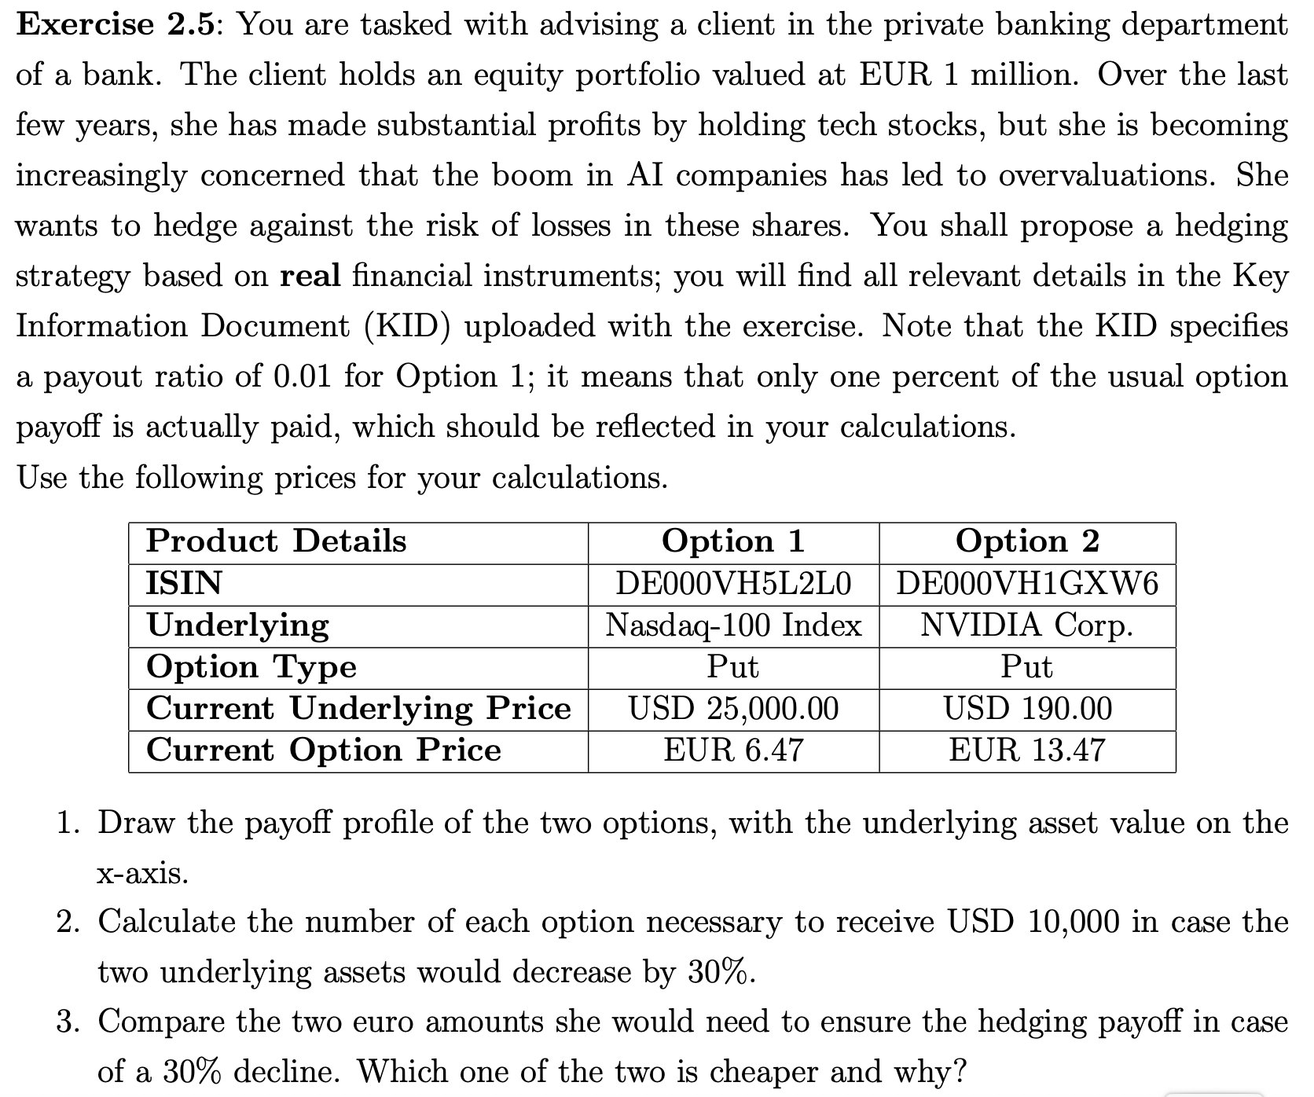
Mini-case 2.5
Given data
data\instrument | NASDAQ - 100 | NVIDIA Corp.
Current underlying price (S0, $) | 25000 | 190
Current option price (V0 €) | 6.47 | 13.47
Strike price (K, $) | 20800 | 140
Payoff ratio | 0.01 | 1

 | Long put on NASDAQ-100 |  | Strike price
15000 | 5800 | 20800 | 0
16000 | 4800
17000 | 3800
18000 | 2800
19000 | 1800
20000 | 800
21000 | 0
22000 | 0
23000 | 0
24000 | 0
25000 | 0
26000 | 0
27000 | 0
28000 | 0
The level of the underlying and the corresponding payoff |  |  | TASK 1a
NASDAQ - 100 | Payoff |  | The payoff profile of NASDAQ-100
15000 | 5800
16000 | 4800
17000 | 3800
18000 | 2800
19000 | 1800
20000 | 800
21000 | 0
22000 | 0
23000 | 0
24000 | 0
25000 | 0
26000 | 0
27000 | 0
28000 | 0

 | Long put on NVIDIA stock |  | Strike price
90 | 50 | 140 | 0
100 | 40
110 | 30
120 | 20
130 | 10
140 | 0
150 | 0
160 | 0
170 | 0
180 | 0
190 | 0
200 | 0
210 | 0
220 | 0
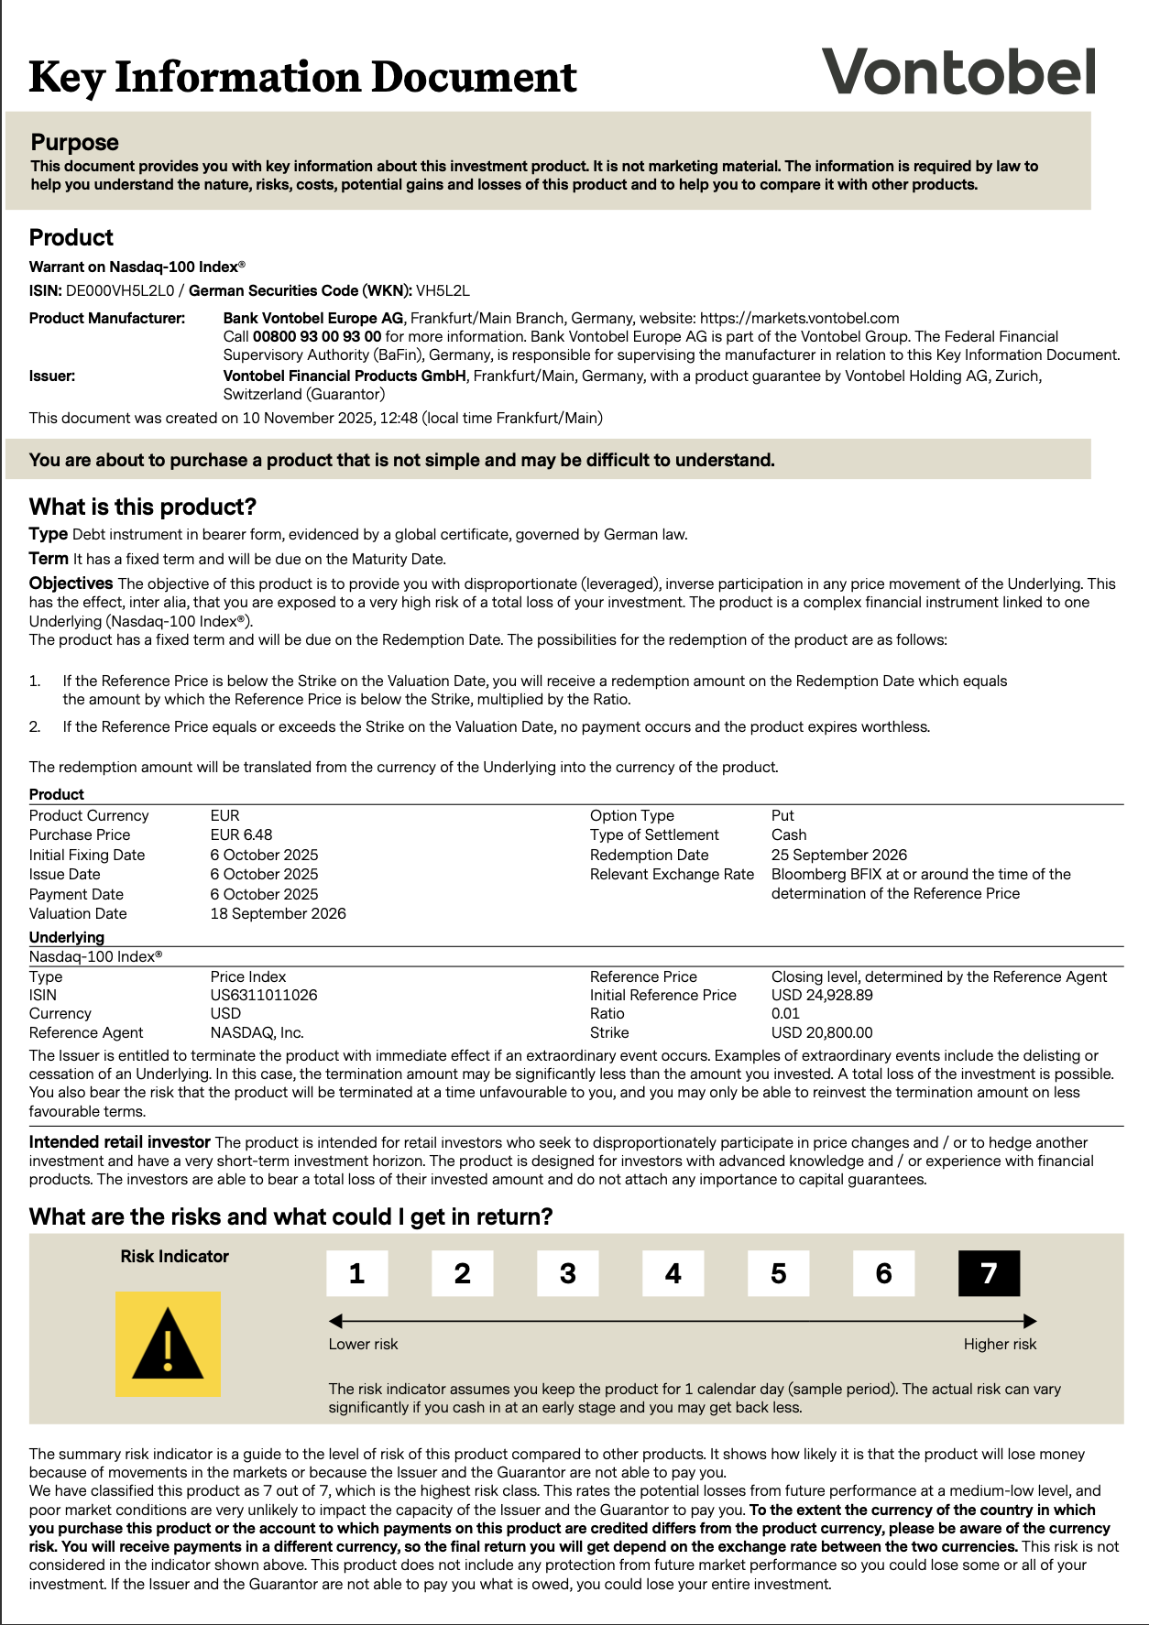
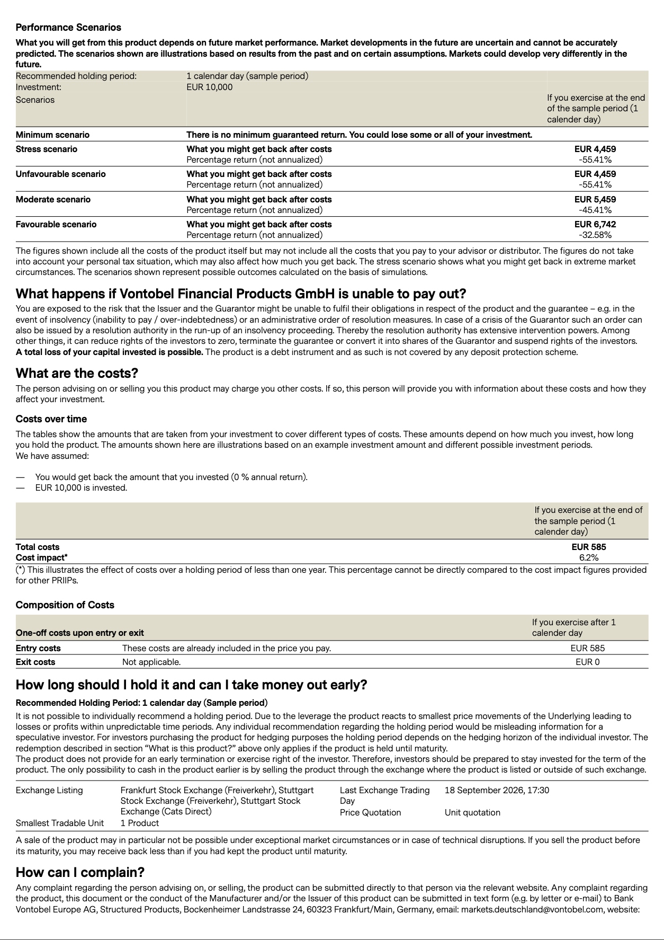
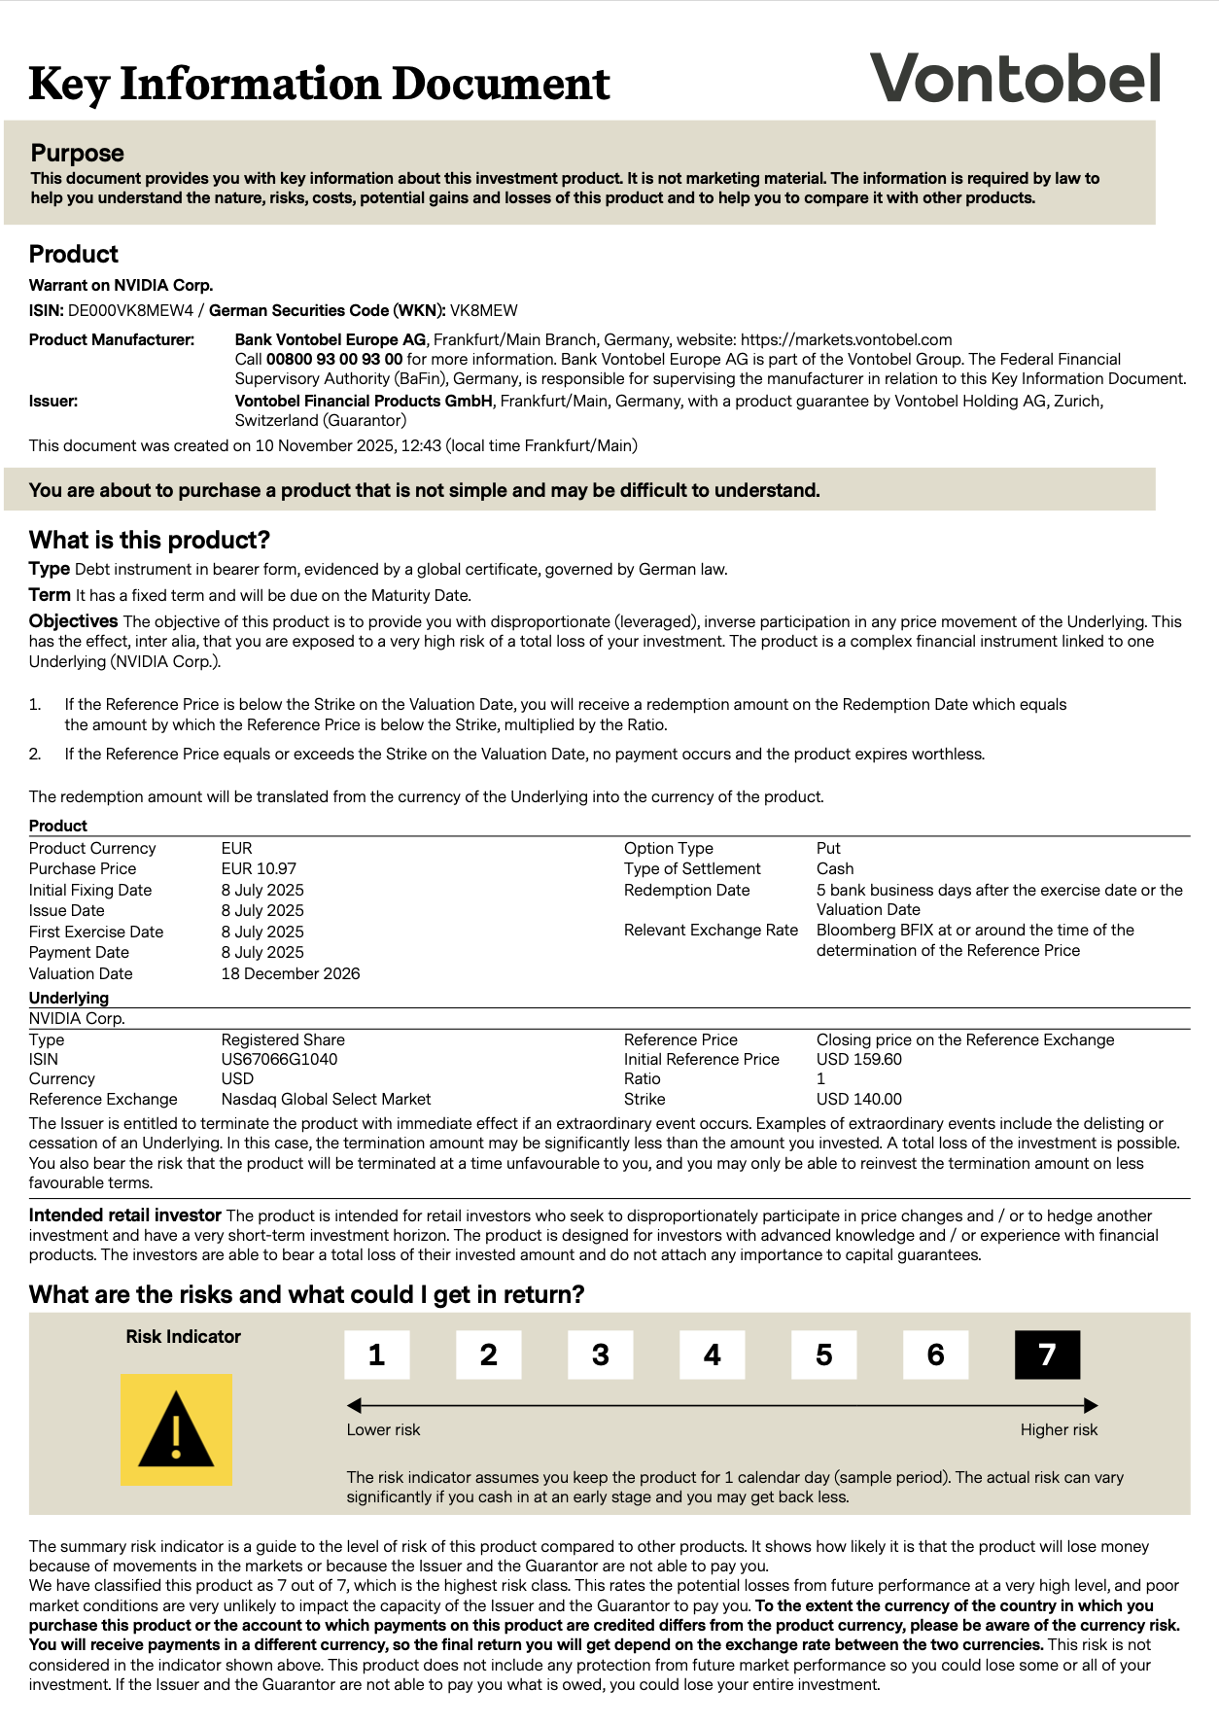
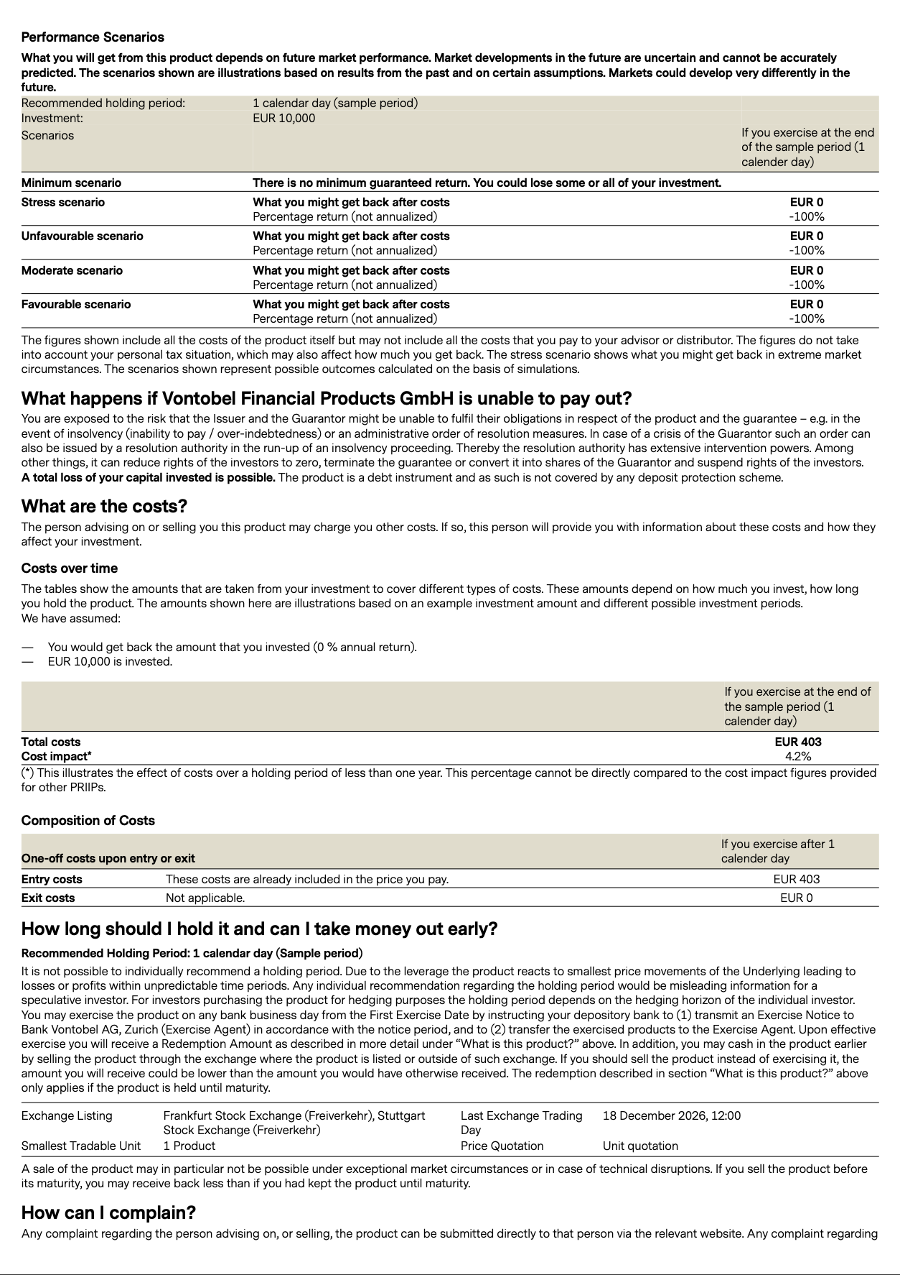
The level of the underlying and the corresponding payoff |  |  | TASK 1b
NVIDIA Corp. | Payoff |  | The payoff profile of NVIDIA stock
90 | 50
100 | 40
110 | 30
120 | 20
130 | 10
140 | 0
150 | 0
160 | 0
170 | 0
180 | 0
190 | 0
200 | 0
210 | 0
220 | 0

TASK 2
Hedging
Data\Instrument | NASDAQ-100 | NVIDIA stock
Level after the 30%-decrease | 17500 | 133
Amount to hedge ($) | 10,000.00 | 10,000.00
Hedged per option ($) | 33 | 7
Number of each option needed | 303.03 | 1428.57

TASK 3
Comparing the price of 2 hedging strategies
Data\Instrument | NASDAQ-100 | NVIDIA stock
Price for the hedging strategy (€) | 1,960.61 | 19,242.86
Basically, the price difference has a couple of reasons. First of all, the nominal difference between strike prices and after-decrease-level of both underlyings on the market is vast. For the considered ETF it's 3300 ($ hedged) and for the given stock it's 7 ($ hedged). Even considering the payoff ratio of 0,01 we get 0,01 * 3300 = 33, which is anyway bigger than 7. Secondly, The price for the NVIDIA stock option is circa twice as large as the price for the NASDAQ option.

M.C.2.3.2
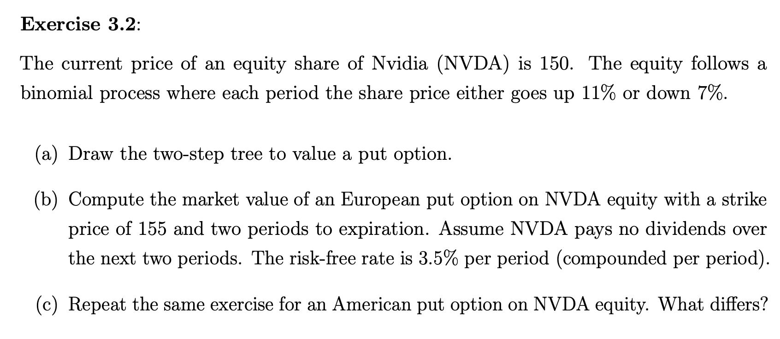
Mini-case 3.2
ASSUMPTIONS | S0 ($) |  |  | 150
 | u |  |  | 1.11
 | d |  |  | 0.93
 | π |  |  | 58.3%
 | 1-π |  |  | 41.7%
 | rf (per period) |  |  | 3.5%
 | Strike of the put |  |  | 155

TASK A
 |  |  |  | 184.815
 |  |  |  | UU
 |  | 166.5 | u
 |  | U
150 | u |  | d | 154.845
T0 |  |  |  | UD
? | d | 139.5 | u
 |  | D
 |  |  | d | 129.735
 |  |  |  | DD

TASK B
 |  |  |  | 184.815
 |  |  | u | UU
 |  | 166.5 |  | 0
 |  | U
150 | u | 0.0624 | d | 154.845
T0 |  |  |  | UD
4.16498 | d | 139.5 | u | 0.155
 |  | D
 |  | 10.2585 | d | 129.735
 |  |  |  | DD
 |  |  |  | 25.265

In order to compute the PV of the European put by 1 formula, we apply |  |  |  | 4.16498

TASK C
 |  |  |  | 184.815
 |  |  |  | UU
 |  |  |  | 0
 |  | 166.5 | u
 |  | U
150 | u | 0 | d | 154.845
T0 |  | 0.062 |  | UD
5 |  |  |  | 0.155
6.275 | d | 139.5 | u
 |  | D
 |  | 15.5 | d | 129.735
 |  | 10.258 |  | DD
 |  |  |  | 25.265
LEGEND |  | Current price of the underlying
 |  | Profit from execution
 |  | Value of holding the option
Here we can observe that the fair price on the american option is greater than for the same European put. The reason for this is that in case of american put there are different values considered. One of those stands for the value of holding the option and another for exercising the option as american option provides such an opportunity. Thus, the computations are partly based on the values greater than those of European option

M.C.2.4.4
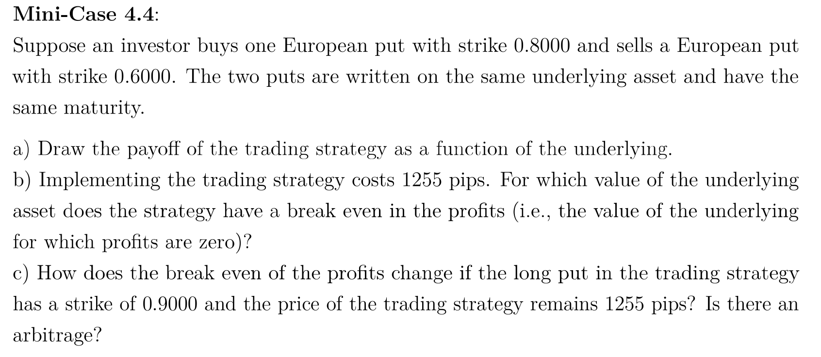
Mini-case 4.4
Assumptions |  |  | St | P0 of the long put | P0 of the short put | ∑ of the strategy | ∑ of the strategy payoff including the implementation costs
Option type | European put | European put | 0 | 0.8000 | -0.6000 | 0.2000 | 0.0745
Position | Long | Short | 0.1 | 0.7000 | -0.5000 | 0.2000 | 0.0745
Strike price | 0.8 | 0.6 | 0.2 | 0.6000 | -0.4000 | 0.2000 | 0.0745
Implementation costs in pips | 0.1255 |  | 0.3 | 0.5000 | -0.3000 | 0.2000 | 0.0745
 |  |  | 0.4 | 0.4000 | -0.2000 | 0.2000 | 0.0745
TASK B |  |  | 0.5 | 0.3000 | -0.1000 | 0.2000 | 0.0745
The price is obviously between 0,6 and 0,8 according to the last graph. In this range, the short put is OTM or at least ATM so the payoff from this position is 0. Thus, we should consider only the computations regarding the long put and employ this position in order to calculate the break even point. The break even point is St = 0,6745 |  |  | 0.6 | 0.2000 | 0.0000 | 0.2000 | 0.0745
 |  |  | 0.6745 | 0.1255 | 0 | 0.1255 | 0
 |  |  | 0.7 | 0.1000 | 0.0000 | 0.1000 | -0.0255
 |  |  | 0.8 | 0 | 0 | 0 | -0.1255
 |  |  | 0.9 | 0 | 0 | 0 | -0.1255
 |  |  | 1 | 0 | 0 | 0 | -0.1255
 |  |  | 1.1 | 0 | 0 | 0 | -0.1255
 |  |  | 1.2 | 0 | 0 | 0 | -0.1255
 |  |  | 1.3 | 0 | 0 | 0 | -0.1255
 |  |  | 1.4 | 0 | 0 | 0 | -0.1255
 |  |  | 1.5 | 0 | 0 | 0 | -0.1255

TASK A
The payoff diagrams
The payoff diagram for the long put
 | Payoff of the long put |  | Strike price
0 | 0.8000 | 0.8 | 0
0.1 | 0.7000
0.2 | 0.6000
0.3 | 0.5000
0.4 | 0.4000
0.5 | 0.3000
0.6 | 0.2000
0.6745 | 0.1255
0.7 | 0.1000
0.8 | 0.0000
0.9 | 0.0000
1 | 0.0000
1.1 | 0.0000
1.2 | 0.0000
1.3 | 0.0000
1.4 | 0.0000
1.5 | 0.0000
The payoff diagram for the short put
 | Payoff of the short put |  | Strike price
0 | -0.6000 | 0.6 | 0
0.1 | -0.5000
0.2 | -0.4000
0.3 | -0.3000
0.4 | -0.2000
0.5 | -0.1000
0.6 | 0.0000
0.6745 | 0.0000
0.7 | 0.0000
0.8 | 0.0000
0.9 | 0.0000
1 | 0.0000
1.1 | 0.0000
1.2 | 0.0000
1.3 | 0.0000
1.4 | 0.0000
1.5 | 0.0000

The strategy payoff
The strategy payoff including the implementation costs (Task B)

TASK C
New assumptions |  |  |  | St | P0 of the long put | ∑ of the strategy | ∑ of the strategy payoff including the implementation costs
The strike of the long put | 0.9 |  |  | 0 | 0.9000 | 0.3000 | 0.1745
 |  |  |  | 0.1 | 0.8000 | 0.3000 | 0.1745
The strategy payoff including the implementation costs
 | The strategy payoff |  | The break even point
0 | 0.1745 | 0.7745 | 0
0.1 | 0.1745
0.2 | 0.1745
0.3 | 0.1745
0.4 | 0.1745
0.5 | 0.1745
0.6 | 0.1745
0.7 | 0.0745
0.7745 | 0.0000
0.8 | -0.0255
0.9 | -0.1255
1 | -0.1255
1.1 | -0.1255
1.2 | -0.1255
1.3 | -0.1255
1.4 | -0.1255
1.5 | -0.1255
 |  |  |  | 0.2 | 0.7000 | 0.3000 | 0.1745
 |  |  |  | 0.3 | 0.6000 | 0.3000 | 0.1745
 |  |  |  | 0.4 | 0.5000 | 0.3000 | 0.1745
 |  |  |  | 0.5 | 0.4000 | 0.3000 | 0.1745
 |  |  |  | 0.6 | 0.3000 | 0.3000 | 0.1745
 |  |  |  | 0.7 | 0.2000 | 0.2000 | 0.0745
 |  |  |  | 0.7745 | 0.1255 | 0.1255 | 0.0000
 |  |  |  | 0.8 | 0.1000 | 0.1000 | -0.0255
 |  |  |  | 0.9 | 0.0000 | 0.0000 | -0.1255
 |  |  |  | 1 | 0.0000 | 0.0000 | -0.1255
 |  |  |  | 1.1 | 0.0000 | 0.0000 | -0.1255
 |  |  |  | 1.2 | 0.0000 | 0.0000 | -0.1255
 |  |  |  | 1.3 | 0.0000 | 0.0000 | -0.1255
 |  |  |  | 1.4 | 0.0000 | 0.0000 | -0.1255
 |  |  |  | 1.5 | 0.0000 | 0.0000 | -0.1255

Arbitrage opportunity
The strategy in the Task C possesses positive payoffs and profits. Profits are non negative if the value of underlying is less than 0,745. On the other hand, the payoff of the strategy is 0 if the underlying is worth more than 0,9. The reason is that if St ≥ 0,9 , the long put is worthless. So, it's not going to be exercised. Consequently, there is no payoff that can cover the spendings for implementation of the strategy. It would lead to the losses of 0,1255. Thus, as the profit from the strategy isn't non-negative in every state, there is no arbitrage opportunity

M.C.3.3.2
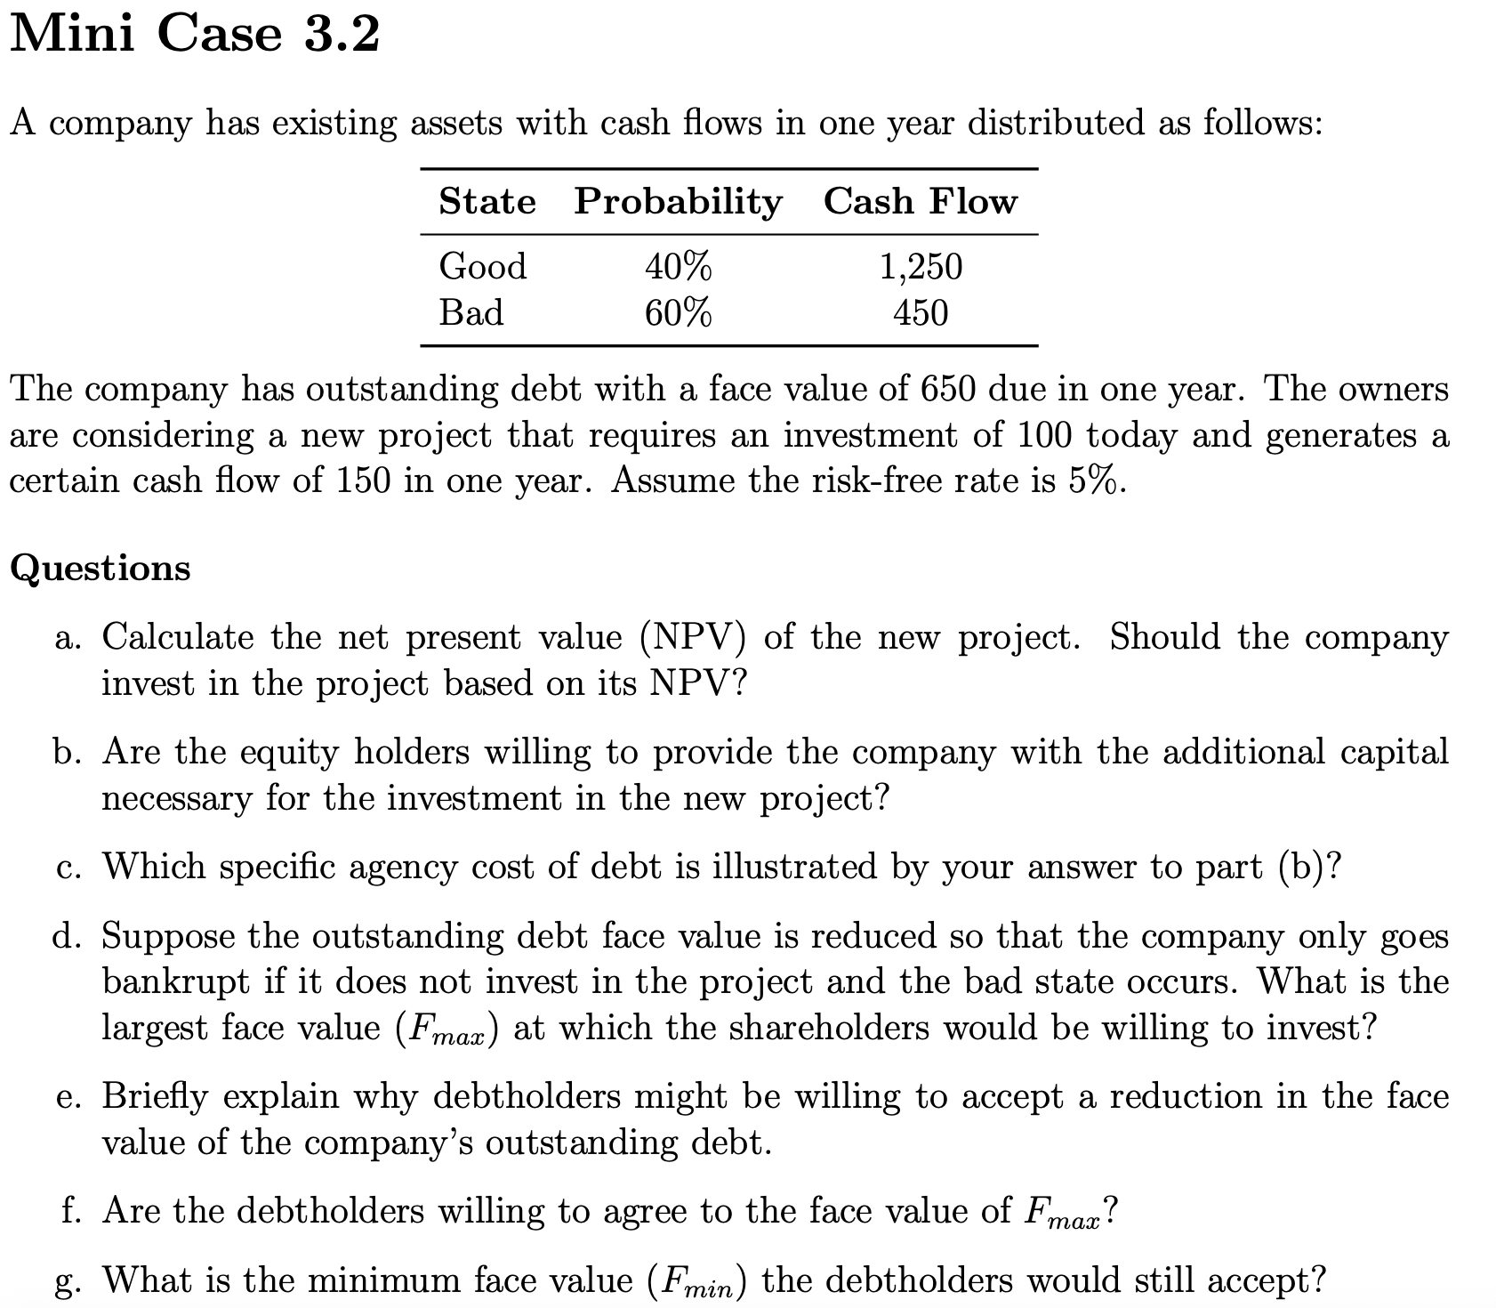
Mini-case 3.2
Assumptions |  |  | TASK B |  |  |  | TASK D
State | Probability | ~FCF1 | Without project | T = 0 | T = 1 |  | With project (E-financed) | T = 0 | T = 1
Good | 40% | 1250 |  |  | Good state | Bad state |  |  | Good state | Bad state
Bad | 60% | 450 | Firm's assets | 733.33 | 1250 | 450 | Firm's assets | 733.33 | 1250 | 450
 |  |  | D | 504.76 | 650 | 450 | Project | 142.86 | 150 | 150
Face value of debt at T = 1 |  | 650 | E | 228.57 | 600 | 0 | ∑ | 876.19 | 1400 | 600
Cost of investment (T = 0) |  | 100 |  |  |  |  | D | 547.62 | 575 | 575
Cashflow at T = 1 |  | 150 | With project (E-financed) | T = 0 | T = 1 |  | E | 328.57 | 825 | 25
rf |  | 5% |  |  | Good state | Bad state
 |  |  | Firm's assets | 733.33 | 1250 | 450 | TASK E
TASK A |  |  | Project | 142.86 | 150 | 150 | In case of reduction, both parties are going to profit from the project. If debt holders won't agree on reduction, they'll get nothing, since equity holders, who control the firm, won't realize the project due to potential losses. Thus, for debt holders it is choice between 0 income and income of roughly 42,85
NPV of the project |  | 42.8571 | ∑ | 876.19 | 1400 | 600
 |  |  | D | 590.48 | 650 | 600
TASK C |  |  | E | 285.71 | 750 | 0
The task b) results show the issue of the debt overhang in the capital structure. Due to considerable share of debt, equity holders won't gain neither invested sum in full, nor additional profit. Thus, though the investment increases the Firm value, it's actually not optimal for equity holders
 |  |  | Invested by E | PVproj | MV(D) increase | MV(E) increase
 |  |  | 100 | 142.86 | 85.71 | 57.14
 |  |  | No. Equity holders are not willing to invest in the project because investing 100 they gain only 57,14 back, what implies losses from the investment due to the debt holders' claim seniority |  |  |  | TASK F
 |  |  |  |  |  |  | Yes. It's easy to observe, as the debt PV with project in this case would increase in comparison to scenario without the project.

TASK G
Fmin | This is the least Face value debtholders would accept. If the Face value falls below this level, it'd be better for debt holders to abbandon the project, as they'd profit more without it
530

M.C.3.5.3

Mini-case 5.3
Firm value 1 | Manager | Investors |  | TASK A |  |  |  | TASK B
Probabilities | 100% | 50% | 50% | V0,investors,w/o proj.(Firm) | V0,investors(Firm) | Share of V0,investors(Firm) |  | Perspective | Manager | Investors
V0(Firm) | 290 | 290 | 140 | 215 | 269 | 15.61% |  | Date | T = 0 | T = 0 | T = 1
 |  |  |  |  |  |  |  |  |  |  | Up-state | Down-state
Firm value 2 | Manager | Investors |  | Date | T = 0 |  |  | V(Firm) | 344 | 269 | 344 | 194
Probabilities | 100% | 50% | 50% | Perspective | Manager | Investors |  | D | 42 | 42 | 42 | 42
V0(Firm) | 140 | 290 | 140 | V0,manager(Firm) | 344 | 269 |  | E | 302 | 227 | 302 | 152
 |  |  |  | Enew | 53.71 | 42
TASK C |  |  |  | Eold | 290.29 | 227
The manager will finance the project with debt. Basically, it is value of equity for old share holders what she maximizes and we need to compare the real equity of value in both scenarios to the case without the project. Although in case of equity-financing Eold increases too (slightly), the debt financing doesn't expose the company to the investors' payoff which in reality is greater than investors think. Thus, considering information in manager's possession, debt is cheaper and E is going to be maximized
 |  |  |  | TASK D |  |  |  | TASK E
 |  |  |  | V0,investors,w/o proj.(Firm) | V0,investors(Firm) | Share of V0,investors(Firm) |  | Perspective | Manager | Investors
 |  |  |  | 215 | 269 | 15.61% |  | Date | T = 0 | T = 0 | T = 1
 |  |  |  |  |  |  |  |  |  |  | Up-state | Down-state
 |  |  |  | Date | T = 0 |  |  | V(Firm) | 194 | 269 | 344 | 194
 |  |  |  | Perspective | Manager | Investors |  | D | 42 | 42 | 42 | 42
 |  |  |  | V0,manager(Firm) | 194 | 269 |  | E | 152 | 227 | 302 | 152
 |  |  |  | Enew | 30.29 | 42
 |  |  |  | Eold | 163.71 | 227

TASK F, G | She will raise equity as the old shareholders value in company will be greater in this case. Basically, the signal of equity-financing in this case indicates low firm value. It's quite easy to observe in example from the manager's perspective: the lower is the value of the firm, the lower payoff new equity holder will gain in reality. The firm is simply not ready for the fixed debt payment as it will reduce equity value more significantly

 |  |  |  |  |  |  | Share of V0,manager,post-investment

M.C.4.1.3
 | Time series S&P500
1/3/17 | 0.57578%
1/4/17 | -0.07927%
1/5/17 | 0.35258%
1/6/17 | -0.35573%
1/9/17 | 0.00000%
1/10/17 | 0.28208%
1/11/17 | -0.21536%
1/12/17 | 0.18499%
1/13/17 | -0.29456%
1/17/17 | 0.17637%
1/18/17 | -0.36093%
1/19/17 | 0.33573%
1/20/17 | -0.26857%
1/23/17 | 0.65778%
1/24/17 | 0.80260%
1/25/17 | -0.07396%
1/26/17 | -0.08708%
1/27/17 | -0.60139%
1/30/17 | -0.08768%
1/31/17 | 0.03072%
2/1/17 | 0.05264%
2/2/17 | 0.72781%
2/3/17 | -0.20893%
2/6/17 | 0.02181%
2/7/17 | 0.06977%
2/8/17 | 0.57524%
2/9/17 | 0.35530%
2/10/17 | 0.52243%
2/13/17 | 0.40375%
2/14/17 | 0.49624%
2/15/17 | -0.08514%
2/16/17 | 0.17042%
2/17/17 | 0.60395%
2/21/17 | -0.10992%
2/22/17 | 0.04232%
2/23/17 | 0.14807%
2/24/17 | 0.10561%
2/27/17 | -0.26163%
2/28/17 | 1.37079%
3/1/17 | -0.58848%
3/2/17 | 0.05038%
3/3/17 | -0.32730%
3/6/17 | -0.29049%
3/7/17 | -0.22800%
3/8/17 | 0.08041%
3/9/17 | 0.32560%
3/10/17 | 0.03793%
3/13/17 | -0.34127%
3/14/17 | 0.84130%
3/15/17 | -0.16350%
...
Mini-case 1.3
Date | Price | Open | High | Low | Change % | TASK 1 | TASK 2 |  | TASK 5
2017-01-03 | 2257.8 | 2251.6 | 2263.9 | 2245.1 | 0.0085 | Daily return | σ[01.01.2017-01.01.2020] | 0.80637%
2017-01-04 | 2270.8 | 2261.6 | 2272.8 | 2261.6 | 0.0058 | 0.57578% | σ[01.01.2020-31.12.2020] | 2.16897%
2017-01-05 | 2269 | 2268.2 | 2271.5 | 2260.4 | -0.0008 | -0.07927%
2017-01-06 | 2277 | 2271.1 | 2282.1 | 2264.1 | 0.0035 | 0.35258% | TASK 3
2017-01-09 | 2268.9 | 2273.6 | 2275.5 | 2268.9 | -0.0036 | -0.35573% | N⁻¹(5%) | -1.644853627
2017-01-10 | 2268.9 | 2269.7 | 2279.3 | 2265.3 | 0 | 0.00000% | VaRpast(5%) | 1.32637%
2017-01-11 | 2275.3 | 2268.6 | 2275.3 | 2260.8 | 0.0028 | 0.28208%
2017-01-12 | 2270.4 | 2271.1 | 2271.8 | 2254.2 | -0.0022 | -0.21536% | TASK 4
2017-01-13 | 2274.6 | 2272.7 | 2278.7 | 2271.5 | 0.0018 | 0.18499% | Trading days per year ~ | 252
2017-01-17 | 2267.9 | 2269.1 | 2272.1 | 2262.8 | -0.0029 | -0.29456% | α-level | 5.0%
2017-01-18 | 2271.9 | 2269.1 | 2272 | 2263.3 | 0.0018 | 0.17637% | Frequency of the worse returns (expected) | 12.6
2017-01-19 | 2263.7 | 2271.9 | 2274.3 | 2258.4 | -0.0036 | -0.36093% | Frequency of the worse returns (in reality) | 77
2017-01-20 | 2271.3 | 2270 | 2277 | 2265 | 0.0034 | 0.33573%
2017-01-23 | 2265.2 | 2267.8 | 2271.8 | 2257 | -0.0027 | -0.26857% | TASK 6
2017-01-24 | 2280.1 | 2267.9 | 2284.6 | 2266.7 | 0.0066 | 0.65778% | σ[01.01.2017-31.12.2020] | 1.291%
2017-01-25 | 2298.4 | 2288.9 | 2299.6 | 2288.9 | 0.008 | 0.80260% | VaRpast(5%) | 2.12330%
2017-01-26 | 2296.7 | 2298.6 | 2301 | 2294.1 | -0.0007 | -0.07396% | In the period before 01.01.2020 we can observe quite stable volatility. This is also to read from the plot, as there are barely any significant spikes among the data. Due to this stability, a holder of an arbitrary portfolio that perfectly tracks S&P500 could have face losses of 1,236% in one day with probability of 5%. On the other hand, appreciating the whole period before 31.12.2020, we deal with the data affected by instability caused by COVID-19 pandemic. Thus, the turbulence of the daily returns from 2020 impacts the volatility for the total period we discuss. As the result, standard deviation is at level of 1,29% and VaR is already 2,123%
2017-01-27 | 2294.7 | 2299 | 2299 | 2291.6 | -0.0009 | -0.08708%
2017-01-30 | 2280.9 | 2286 | 2286 | 2268 | -0.006 | -0.60139%
2017-01-31 | 2278.9 | 2274 | 2279.1 | 2267.2 | -0.0009 | -0.08768%
2017-02-01 | 2279.6 | 2285.6 | 2289.1 | 2272.4 | 0.0003 | 0.03072%
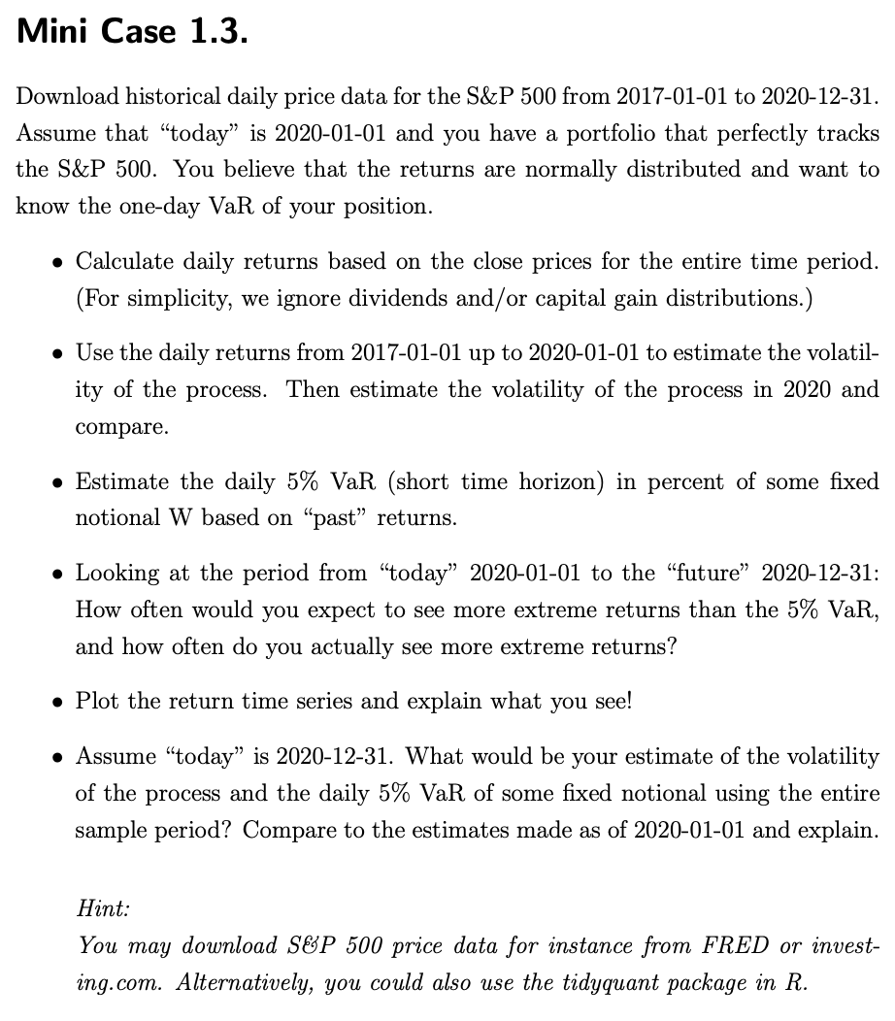
2017-02-02 | 2280.8 | 2276.7 | 2284 | 2271.7 | 0.0005 | 0.05264%
2017-02-03 | 2297.4 | 2288.5 | 2298.3 | 2287.9 | 0.0073 | 0.72781%
2017-02-06 | 2292.6 | 2294.3 | 2296.2 | 2288.6 | -0.0021 | -0.20893%
2017-02-07 | 2293.1 | 2295.9 | 2299.4 | 2290.2 | 0.0002 | 0.02181%
2017-02-08 | 2294.7 | 2289.6 | 2295.9 | 2285.4 | 0.0007 | 0.06977%
2017-02-09 | 2307.9 | 2296.7 | 2311.1 | 2296.6 | 0.0058 | 0.57524%
2017-02-10 | 2316.1 | 2312.3 | 2319.2 | 2311.1 | 0.0036 | 0.35530%
2017-02-13 | 2328.2 | 2321.7 | 2331.6 | 2321.4 | 0.0052 | 0.52243%
2017-02-14 | 2337.6 | 2326.1 | 2337.6 | 2322.2 | 0.004 | 0.40375%
2017-02-15 | 2349.2 | 2335.6 | 2351.3 | 2334.8 | 0.005 | 0.49624%
2017-02-16 | 2347.2 | 2349.6 | 2351.3 | 2338.9 | -0.0009 | -0.08514%
2017-02-17 | 2351.2 | 2343 | 2351.2 | 2339.6 | 0.0017 | 0.17042%
2017-02-21 | 2365.4 | 2354.9 | 2366.7 | 2354.9 | 0.006 | 0.60395%
2017-02-22 | 2362.8 | 2361.1 | 2365.1 | 2358.3 | -0.0011 | -0.10992%
2017-02-23 | 2363.8 | 2367.5 | 2368.3 | 2355.1 | 0.0004 | 0.04232%
2017-02-24 | 2367.3 | 2355.7 | 2367.3 | 2352.9 | 0.0015 | 0.14807%
2017-02-27 | 2369.8 | 2365.2 | 2371.5 | 2361.9 | 0.0011 | 0.10561%
2017-02-28 | 2363.6 | 2366.1 | 2367.8 | 2359 | -0.0026 | -0.26163%
2017-03-01 | 2396 | 2380.1 | 2401 | 2380.1 | 0.0137 | 1.37079%
2017-03-02 | 2381.9 | 2394.8 | 2394.8 | 2380.2 | -0.0059 | -0.58848%
2017-03-03 | 2383.1 | 2380.9 | 2383.9 | 2375.4 | 0.0005 | 0.05038%
2017-03-06 | 2375.3 | 2375.2 | 2378.8 | 2368 | -0.0033 | -0.32730%
2017-03-07 | 2368.4 | 2370.7 | 2375.1 | 2365.5 | -0.0029 | -0.29049%
2017-03-08 | 2363 | 2369.8 | 2373.1 | 2361 | -0.0023 | -0.22800%
2017-03-09 | 2364.9 | 2363.5 | 2369.1 | 2354.5 | 0.0008 | 0.08041%
2017-03-10 | 2372.6 | 2372.5 | 2376.9 | 2363 | 0.0033 | 0.32560%
2017-03-13 | 2373.5 | 2371.6 | 2374.4 | 2368.5 | 0.0004 | 0.03793%
2017-03-14 | 2365.4 | 2368.6 | 2368.6 | 2358.2 | -0.0034 | -0.34127%
2017-03-15 | 2385.3 | 2370.3 | 2390 | 2368.9 | 0.0084 | 0.84130%
2017-03-16 | 2381.4 | 2387.7 | 2388.1 | 2377.2 | -0.0016 | -0.16350%
2017-03-17 | 2378.2 | 2383.7 | 2385.7 | 2377.6 | -0.0013 | -0.13437%
2017-03-20 | 2373.5 | 2378.2 | 2379.6 | 2369.7 | -0.002 | -0.19763%
2017-03-21 | 2344 | 2379.3 | 2381.9 | 2341.9 | -0.0124 | -1.24289%
2017-03-22 | 2348.4 | 2343 | 2351.8 | 2336.4 | 0.0019 | 0.18771%
2017-03-23 | 2346 | 2346 | 2358.9 | 2342.1 | -0.001 | -0.10220%
2017-03-24 | 2344 | 2350.4 | 2356.2 | 2335.7 | -0.0009 | -0.08525%
2017-03-27 | 2341.6 | 2329.1 | 2344.9 | 2322.2 | -0.001 | -0.10239%
2017-03-28 | 2358.6 | 2339.8 | 2363.8 | 2337.6 | 0.0073 | 0.72600%
2017-03-29 | 2361.1 | 2356.5 | 2363.4 | 2352.9 | 0.0011 | 0.10600%
2017-03-30 | 2368.1 | 2361.3 | 2370.4 | 2358.6 | 0.003 | 0.29647%
2017-03-31 | 2362.7 | 2364.8 | 2370.3 | 2362.6 | -0.0023 | -0.22803%
2017-04-03 | 2358.8 | 2362.3 | 2365.9 | 2344.7 | -0.0017 | -0.16507%
2017-04-04 | 2360.2 | 2354.8 | 2360.5 | 2350.7 | 0.0006 | 0.05935%
2017-04-05 | 2352.9 | 2366.6 | 2378.4 | 2350.5 | -0.0031 | -0.30930%
2017-04-06 | 2357.5 | 2353.8 | 2364.2 | 2348.9 | 0.002 | 0.19550%
2017-04-07 | 2355.5 | 2356.6 | 2363.8 | 2350.7 | -0.0008 | -0.08484%
2017-04-10 | 2357.2 | 2357.2 | 2366.4 | 2351.5 | 0.0007 | 0.07217%
2017-04-11 | 2353.8 | 2353.9 | 2355.2 | 2337.2 | -0.0014 | -0.14424%
2017-04-12 | 2344.9 | 2352.2 | 2352.7 | 2341.2 | -0.0038 | -0.37811%
2017-04-13 | 2328.9 | 2342 | 2348.3 | 2328.9 | -0.0068 | -0.68233%
2017-04-17 | 2349 | 2332.6 | 2349.1 | 2332.5 | 0.0086 | 0.86307%
2017-04-18 | 2342.2 | 2342.5 | 2348.3 | 2334.5 | -0.0029 | -0.28948%
2017-04-19 | 2338.2 | 2346.8 | 2352.6 | 2335.1 | -0.0017 | -0.17078%
2017-04-20 | 2355.8 | 2342.7 | 2361.4 | 2340.9 | 0.0075 | 0.75272%
2017-04-21 | 2348.7 | 2354.7 | 2356.2 | 2344.5 | -0.003 | -0.30138%
2017-04-24 | 2374.2 | 2370.3 | 2377 | 2369.2 | 0.0109 | 1.08571%
2017-04-25 | 2388.6 | 2381.5 | 2392.5 | 2381.2 | 0.0061 | 0.60652%
2017-04-26 | 2387.4 | 2389 | 2398.2 | 2386.8 | -0.0005 | -0.05024%
2017-04-27 | 2388.8 | 2389.7 | 2392.1 | 2382.7 | 0.0006 | 0.05864%
2017-04-28 | 2384.2 | 2393.7 | 2393.7 | 2382.4 | -0.0019 | -0.19257%
2017-05-01 | 2388.3 | 2388.5 | 2394.5 | 2384.8 | 0.0017 | 0.17197%
2017-05-02 | 2391.2 | 2391.1 | 2392.9 | 2385.8 | 0.0012 | 0.12143%
2017-05-03 | 2388.1 | 2386.5 | 2389.8 | 2379.8 | -0.0013 | -0.12964%
2017-05-04 | 2389.5 | 2389.8 | 2391.4 | 2380.3 | 0.0006 | 0.05862%
2017-05-05 | 2399.3 | 2392.4 | 2399.3 | 2389.4 | 0.0041 | 0.41013%
2017-05-08 | 2399.4 | 2399.9 | 2401.4 | 2393.9 | 0 | 0.00417%
2017-05-09 | 2396.9 | 2401.6 | 2403.9 | 2392.4 | -0.001 | -0.10419%
2017-05-10 | 2399.6 | 2396.8 | 2399.7 | 2392.8 | 0.0011 | 0.11265%
2017-05-11 | 2394.4 | 2394.8 | 2395.7 | 2381.7 | -0.0022 | -0.21670%
2017-05-12 | 2390.9 | 2392.4 | 2392.4 | 2387.2 | -0.0015 | -0.14617%
2017-05-15 | 2402.3 | 2394 | 2404.1 | 2393.9 | 0.0048 | 0.47681%
2017-05-16 | 2400.7 | 2404.6 | 2405.8 | 2396.1 | -0.0007 | -0.06660%
2017-05-17 | 2357 | 2382.9 | 2384.9 | 2356.2 | -0.0182 | -1.82030%
2017-05-18 | 2365.7 | 2354.7 | 2375.7 | 2352.7 | 0.0037 | 0.36911%
2017-05-19 | 2381.7 | 2371.4 | 2389.1 | 2370.4 | 0.0068 | 0.67633%
2017-05-22 | 2394 | 2387.2 | 2395.5 | 2386.9 | 0.0052 | 0.51644%
2017-05-23 | 2398.4 | 2397 | 2400.8 | 2393.9 | 0.0018 | 0.18379%
2017-05-24 | 2404.4 | 2401.4 | 2405.6 | 2398 | 0.0025 | 0.25017%
2017-05-25 | 2415.1 | 2409.5 | 2418.7 | 2408 | 0.0045 | 0.44502%
2017-05-26 | 2415.8 | 2414.5 | 2416.7 | 2412.2 | 0.0003 | 0.02898%
2017-05-30 | 2412.9 | 2411.7 | 2415.3 | 2409.4 | -0.0012 | -0.12004%
2017-05-31 | 2411.8 | 2415.6 | 2416 | 2403.6 | -0.0005 | -0.04559%
2017-06-01 | 2430.1 | 2415.7 | 2430.1 | 2413.5 | 0.0076 | 0.75877%
2017-06-02 | 2439.1 | 2431.3 | 2440.2 | 2427.7 | 0.0037 | 0.37036%
2017-06-05 | 2436.1 | 2437.8 | 2439.6 | 2434.3 | -0.0012 | -0.12300%
2017-06-06 | 2429.3 | 2431.9 | 2436.2 | 2428.1 | -0.0028 | -0.27913%
2017-06-07 | 2433.1 | 2432 | 2435.3 | 2424.8 | 0.0016 | 0.15642%
2017-06-08 | 2433.8 | 2434.3 | 2439.3 | 2427.9 | 0.0003 | 0.02877%
2017-06-09 | 2431.8 | 2436.4 | 2446.2 | 2415.7 | -0.0008 | -0.08218%
2017-06-12 | 2429.4 | 2425.9 | 2430.4 | 2420 | -0.001 | -0.09869%
2017-06-13 | 2440.3 | 2434.2 | 2441.5 | 2431.3 | 0.0045 | 0.44867%
2017-06-14 | 2437.9 | 2443.8 | 2443.8 | 2428.3 | -0.001 | -0.09835%
2017-06-15 | 2432.5 | 2424.1 | 2433.9 | 2418.5 | -0.0022 | -0.22150%
2017-06-16 | 2433.2 | 2431.2 | 2433.2 | 2422.9 | 0.0003 | 0.02878%
2017-06-19 | 2453.5 | 2442.6 | 2453.8 | 2441.8 | 0.0083 | 0.83429%
2017-06-20 | 2437 | 2450.7 | 2450.7 | 2436.6 | -0.0067 | -0.67251%
2017-06-21 | 2435.6 | 2439.3 | 2442.2 | 2430.7 | -0.0006 | -0.05745%
2017-06-22 | 2434.5 | 2437.4 | 2441.6 | 2433.3 | -0.0005 | -0.04516%
2017-06-23 | 2438.3 | 2434.7 | 2441.4 | 2431.1 | 0.0016 | 0.15609%
2017-06-26 | 2439.1 | 2443.3 | 2450.4 | 2437 | 0.0003 | 0.03281%
2017-06-27 | 2419.4 | 2436.3 | 2440.2 | 2419.4 | -0.0081 | -0.80767%
2017-06-28 | 2440.7 | 2428.7 | 2443 | 2428 | 0.0088 | 0.88038%
2017-06-29 | 2419.7 | 2442.4 | 2442.7 | 2405.7 | -0.0086 | -0.86041%
2017-06-30 | 2423.4 | 2429.2 | 2432.7 | 2421.7 | 0.0015 | 0.15291%
2017-07-03 | 2429 | 2431.4 | 2439.2 | 2428.7 | 0.0023 | 0.23108%
2017-07-05 | 2432.5 | 2430.8 | 2434.9 | 2422.1 | 0.0014 | 0.14409%
2017-07-06 | 2409.8 | 2423.4 | 2424.3 | 2407.7 | -0.0093 | -0.93320%
2017-07-07 | 2425.2 | 2413.5 | 2426.9 | 2413.5 | 0.0064 | 0.63906%
2017-07-10 | 2427.4 | 2424.5 | 2432 | 2422.3 | 0.0009 | 0.09071%
2017-07-11 | 2425.5 | 2427.3 | 2429.3 | 2412.8 | -0.0008 | -0.07827%
2017-07-12 | 2443.2 | 2435.8 | 2445.8 | 2435.8 | 0.0073 | 0.72975%
2017-07-13 | 2447.8 | 2445 | 2449.3 | 2441.7 | 0.0019 | 0.18828%
2017-07-14 | 2459.3 | 2449.2 | 2463.5 | 2446.7 | 0.0047 | 0.46981%
2017-07-17 | 2459.1 | 2459.5 | 2462.8 | 2457.2 | -0.0001 | -0.00813%
2017-07-18 | 2460.6 | 2455.9 | 2460.9 | 2450.3 | 0.0006 | 0.06100%
2017-07-19 | 2473.8 | 2463.8 | 2473.8 | 2463.8 | 0.0054 | 0.53645%
2017-07-20 | 2473.4 | 2475.6 | 2477.6 | 2468.4 | -0.0002 | -0.01617%
2017-07-21 | 2472.5 | 2467.4 | 2472.5 | 2465.1 | -0.0004 | -0.03639%
2017-07-24 | 2469.9 | 2472 | 2473.1 | 2466.3 | -0.0011 | -0.10516%
2017-07-25 | 2477.1 | 2477.9 | 2481.2 | 2474.9 | 0.0029 | 0.29151%
2017-07-26 | 2477.8 | 2480 | 2481.7 | 2474.9 | 0.0003 | 0.02826%
2017-07-27 | 2475.4 | 2482.8 | 2484 | 2459.9 | -0.001 | -0.09686%
2017-07-28 | 2472.1 | 2469.1 | 2473.5 | 2464.7 | -0.0013 | -0.13331%
2017-07-31 | 2470.3 | 2475.9 | 2478 | 2468.5 | -0.0007 | -0.07281%
2017-08-01 | 2476.3 | 2477.1 | 2478.5 | 2471.1 | 0.0024 | 0.24289%
2017-08-02 | 2477.6 | 2480.4 | 2480.4 | 2466.5 | 0.0005 | 0.05250%
2017-08-03 | 2472.2 | 2476 | 2476 | 2468.8 | -0.0022 | -0.21795%
2017-08-04 | 2476.8 | 2476.9 | 2480 | 2472.1 | 0.0019 | 0.18607%
2017-08-07 | 2480.9 | 2477.1 | 2480.9 | 2475.9 | 0.0017 | 0.16554%
2017-08-08 | 2474.9 | 2478.3 | 2490.9 | 2470.3 | -0.0024 | -0.24185%
2017-08-09 | 2474 | 2465.3 | 2474.4 | 2462.1 | -0.0004 | -0.03637%
2017-08-10 | 2438.2 | 2465.4 | 2465.4 | 2437.8 | -0.0145 | -1.44705%
2017-08-11 | 2441.3 | 2441 | 2448.1 | 2437.8 | 0.0013 | 0.12714%
2017-08-14 | 2465.8 | 2455 | 2468.2 | 2455 | 0.01 | 1.00356%
2017-08-15 | 2464.6 | 2468.7 | 2468.9 | 2461.6 | -0.0005 | -0.04867%
2017-08-16 | 2468.1 | 2468.6 | 2474.9 | 2463.9 | 0.0014 | 0.14201%
2017-08-17 | 2430 | 2462.9 | 2465 | 2430 | -0.0154 | -1.54370%
2017-08-18 | 2425.6 | 2427.6 | 2440.3 | 2420.7 | -0.0018 | -0.18107%
2017-08-21 | 2428.4 | 2425.5 | 2430.6 | 2417.3 | 0.0012 | 0.11544%
2017-08-22 | 2452.5 | 2433.8 | 2454.8 | 2433.7 | 0.0099 | 0.99242%
2017-08-23 | 2444 | 2444.9 | 2448.9 | 2441.4 | -0.0035 | -0.34659%
2017-08-24 | 2439 | 2447.9 | 2450.4 | 2436.2 | -0.002 | -0.20458%
2017-08-25 | 2443.1 | 2444.7 | 2454 | 2442.2 | 0.0017 | 0.16810%
2017-08-28 | 2444.2 | 2447.3 | 2449.1 | 2439 | 0.0005 | 0.04502%
2017-08-29 | 2446.3 | 2431.9 | 2449.2 | 2428.2 | 0.0009 | 0.08592%
2017-08-30 | 2457.6 | 2446.1 | 2460.3 | 2443.8 | 0.0046 | 0.46192%
2017-08-31 | 2471.7 | 2462.7 | 2475 | 2462.7 | 0.0057 | 0.57373%
2017-09-01 | 2476.6 | 2474.4 | 2480.4 | 2473.8 | 0.002 | 0.19824%
2017-09-05 | 2457.8 | 2470.3 | 2472 | 2446.6 | -0.0076 | -0.75911%
2017-09-06 | 2465.5 | 2463.8 | 2469.6 | 2459.2 | 0.0031 | 0.31329%
2017-09-07 | 2465.1 | 2468.1 | 2468.6 | 2460.3 | -0.0002 | -0.01622%
2017-09-08 | 2461.4 | 2462.2 | 2467.1 | 2459.4 | -0.0015 | -0.15010%
2017-09-11 | 2488.1 | 2474.5 | 2488.9 | 2474.5 | 0.0108 | 1.08475%
2017-09-12 | 2496.5 | 2491.9 | 2496.8 | 2490.4 | 0.0034 | 0.33761%
2017-09-13 | 2498.4 | 2493.9 | 2498.4 | 2492.1 | 0.0008 | 0.07611%
2017-09-14 | 2495.6 | 2494.6 | 2498.4 | 2491.3 | -0.0011 | -0.11207%
2017-09-15 | 2500.2 | 2495.7 | 2500.2 | 2493.2 | 0.0018 | 0.18432%
2017-09-18 | 2503.9 | 2502.5 | 2508.3 | 2499.9 | 0.0015 | 0.14799%
2017-09-19 | 2506.7 | 2506.3 | 2507.8 | 2503.2 | 0.0011 | 0.11183%
2017-09-20 | 2508.2 | 2506.8 | 2508.8 | 2496.7 | 0.0006 | 0.05984%
2017-09-21 | 2500.6 | 2507.2 | 2507.2 | 2499 | -0.003 | -0.30301%
2017-09-22 | 2502.2 | 2497.3 | 2503.5 | 2496.5 | 0.0006 | 0.06398%
2017-09-25 | 2496.7 | 2499.4 | 2502.5 | 2488 | -0.0022 | -0.21981%
2017-09-26 | 2496.8 | 2501 | 2503.5 | 2495.1 | 0 | 0.00401%
2017-09-27 | 2507 | 2503.3 | 2511.8 | 2495.9 | 0.0041 | 0.40852%
2017-09-28 | 2510.1 | 2503.4 | 2510.8 | 2502.9 | 0.0012 | 0.12365%
2017-09-29 | 2519.4 | 2510 | 2519.4 | 2508 | 0.0037 | 0.37050%
2017-10-02 | 2529.1 | 2521.2 | 2529.2 | 2520.4 | 0.0039 | 0.38501%
2017-10-03 | 2534.6 | 2530.3 | 2535.1 | 2528.8 | 0.0022 | 0.21747%
2017-10-04 | 2537.7 | 2533.5 | 2540.5 | 2531.8 | 0.0012 | 0.12231%
2017-10-05 | 2552.1 | 2540.9 | 2552.5 | 2540 | 0.0057 | 0.56744%
2017-10-06 | 2549.3 | 2547.4 | 2549.4 | 2543.8 | -0.0011 | -0.10971%
2017-10-09 | 2544.7 | 2551.4 | 2551.8 | 2541.6 | -0.0018 | -0.18044%
2017-10-10 | 2550.6 | 2550 | 2555.2 | 2544.9 | 0.0023 | 0.23185%
2017-10-11 | 2555.2 | 2550.6 | 2555.2 | 2547.9 | 0.0018 | 0.18035%
2017-10-12 | 2550.9 | 2552.9 | 2555.3 | 2548.3 | -0.0017 | -0.16828%
2017-10-13 | 2553.2 | 2555.7 | 2557.7 | 2552.1 | 0.0009 | 0.09016%
2017-10-16 | 2557.6 | 2555.6 | 2559.5 | 2552.6 | 0.0017 | 0.17233%
2017-10-17 | 2559.4 | 2557.2 | 2559.7 | 2554.7 | 0.0007 | 0.07038%
2017-10-18 | 2561.3 | 2562.9 | 2564.1 | 2559.7 | 0.0007 | 0.07424%
2017-10-19 | 2562.1 | 2553.4 | 2562.4 | 2547.9 | 0.0003 | 0.03123%
2017-10-20 | 2575.2 | 2567.6 | 2575.4 | 2567.6 | 0.0051 | 0.51130%
2017-10-23 | 2565 | 2578.1 | 2578.3 | 2564.3 | -0.004 | -0.39609%
2017-10-24 | 2569.1 | 2568.7 | 2572.2 | 2565.6 | 0.0016 | 0.15984%
2017-10-25 | 2557.2 | 2566.5 | 2567.4 | 2544 | -0.0046 | -0.46320%
2017-10-26 | 2560.4 | 2560.1 | 2567.1 | 2559.8 | 0.0013 | 0.12514%
2017-10-27 | 2581.1 | 2570.3 | 2583 | 2565.9 | 0.0081 | 0.80847%
2017-10-30 | 2572.8 | 2577.8 | 2580 | 2568.2 | -0.0032 | -0.32157%
2017-10-31 | 2575.3 | 2576 | 2578.3 | 2572.2 | 0.001 | 0.09717%
2017-11-01 | 2579.4 | 2583.2 | 2588.4 | 2574.9 | 0.0016 | 0.15920%
2017-11-02 | 2579.8 | 2579.5 | 2581.1 | 2566.2 | 0.0002 | 0.01551%
2017-11-03 | 2587.8 | 2581.9 | 2588.4 | 2576.8 | 0.0031 | 0.31010%
2017-11-06 | 2591.1 | 2587.5 | 2593.4 | 2585.7 | 0.0013 | 0.12752%
2017-11-07 | 2590.6 | 2592.1 | 2597 | 2584.3 | -0.0002 | -0.01930%
2017-11-08 | 2594.4 | 2588.7 | 2595.5 | 2585 | 0.0015 | 0.14668%
2017-11-09 | 2584.6 | 2584 | 2586.5 | 2566.3 | -0.0038 | -0.37774%
2017-11-10 | 2582.3 | 2580.2 | 2583.8 | 2575.6 | -0.0009 | -0.08899%
2017-11-13 | 2584.8 | 2576.5 | 2587.7 | 2574.5 | 0.001 | 0.09681%
2017-11-14 | 2578.9 | 2577.8 | 2579.7 | 2566.6 | -0.0023 | -0.22826%
2017-11-15 | 2564.6 | 2569.4 | 2572.8 | 2557.4 | -0.0055 | -0.55450%
2017-11-16 | 2585.6 | 2572.9 | 2590.1 | 2572.9 | 0.0082 | 0.81884%
2017-11-17 | 2578.8 | 2582.9 | 2584 | 2577.6 | -0.0026 | -0.26300%
2017-11-20 | 2582.1 | 2579.5 | 2584.6 | 2578.2 | 0.0013 | 0.12797%
2017-11-21 | 2599 | 2589.2 | 2601.2 | 2589.2 | 0.0065 | 0.65451%
2017-11-22 | 2597.1 | 2600.3 | 2600.9 | 2595.2 | -0.0007 | -0.07311%
2017-11-24 | 2602.4 | 2600.4 | 2604.2 | 2600.4 | 0.002 | 0.20407%
2017-11-27 | 2601.4 | 2602.7 | 2606.4 | 2598.9 | -0.0004 | -0.03843%
2017-11-28 | 2627 | 2605.9 | 2627.7 | 2605.4 | 0.0098 | 0.98409%
2017-11-29 | 2626.1 | 2627.8 | 2634.9 | 2620.3 | -0.0003 | -0.03426%
2017-11-30 | 2647.6 | 2633.9 | 2657.7 | 2633.9 | 0.0082 | 0.81870%
2017-12-01 | 2642.2 | 2645.1 | 2650.6 | 2605.5 | -0.002 | -0.20396%
2017-12-04 | 2639.4 | 2657.2 | 2665.2 | 2639 | -0.0011 | -0.10597%
2017-12-05 | 2629.6 | 2639.8 | 2648.7 | 2627.7 | -0.0037 | -0.37130%
2017-12-06 | 2629.3 | 2626.2 | 2634.4 | 2624.8 | -0.0001 | -0.01141%
2017-12-07 | 2637 | 2628.4 | 2641 | 2626.5 | 0.0029 | 0.29285%
2017-12-08 | 2651.5 | 2646.2 | 2651.7 | 2644.1 | 0.0055 | 0.54987%
2017-12-11 | 2660 | 2652.2 | 2660.3 | 2651.5 | 0.0032 | 0.32057%
2017-12-12 | 2664.1 | 2661.7 | 2669.7 | 2659.8 | 0.0015 | 0.15414%
2017-12-13 | 2662.8 | 2667.6 | 2671.9 | 2662.8 | -0.0005 | -0.04880%
2017-12-14 | 2652 | 2665.9 | 2668.1 | 2652 | -0.0041 | -0.40559%
2017-12-15 | 2675.8 | 2660.6 | 2679.6 | 2659.1 | 0.009 | 0.89744%
2017-12-18 | 2690.2 | 2685.9 | 2695 | 2685.9 | 0.0054 | 0.53816%
2017-12-19 | 2681.5 | 2692.7 | 2694.4 | 2680.7 | -0.0032 | -0.32340%
2017-12-20 | 2679.2 | 2688.2 | 2691 | 2676.1 | -0.0009 | -0.08577%
2017-12-21 | 2684.6 | 2683 | 2692.6 | 2682.4 | 0.002 | 0.20155%
2017-12-22 | 2683.3 | 2684.2 | 2685.3 | 2678.1 | -0.0005 | -0.04842%
2017-12-26 | 2680.5 | 2679.1 | 2682.7 | 2678 | -0.001 | -0.10435%
2017-12-27 | 2682.6 | 2682.1 | 2685.6 | 2678.9 | 0.0008 | 0.07834%
2017-12-28 | 2687.5 | 2686.1 | 2687.7 | 2682.7 | 0.0018 | 0.18266%
2017-12-29 | 2673.6 | 2689.2 | 2692.1 | 2673.6 | -0.0052 | -0.51721%
2018-01-02 | 2695.8 | 2683.7 | 2695.9 | 2682.4 | 0.0083 | 0.83034%
2018-01-03 | 2713.1 | 2697.8 | 2714.4 | 2697.8 | 0.0064 | 0.64174%
2018-01-04 | 2724 | 2719.3 | 2729.3 | 2719.1 | 0.004 | 0.40175%
2018-01-05 | 2743.2 | 2731.3 | 2743.4 | 2727.9 | 0.007 | 0.70485%
2018-01-08 | 2747.7 | 2742.7 | 2748.5 | 2737.6 | 0.0016 | 0.16404%
2018-01-09 | 2751.3 | 2751.2 | 2759.1 | 2747.9 | 0.0013 | 0.13102%
2018-01-10 | 2748.2 | 2745.6 | 2750.8 | 2736.1 | -0.0011 | -0.11267%
2018-01-11 | 2767.6 | 2753 | 2767.6 | 2752.8 | 0.0071 | 0.70592%
2018-01-12 | 2786.2 | 2770.2 | 2787.8 | 2769.6 | 0.0067 | 0.67206%
2018-01-16 | 2776.4 | 2799 | 2807.5 | 2768.6 | -0.0035 | -0.35173%
2018-01-17 | 2802.6 | 2785 | 2807 | 2778.4 | 0.0094 | 0.94367%
2018-01-18 | 2798 | 2802.4 | 2805.8 | 2792.6 | -0.0016 | -0.16413%
2018-01-19 | 2810.3 | 2802.6 | 2810.3 | 2798.1 | 0.0044 | 0.43960%
2018-01-22 | 2833 | 2809.2 | 2833 | 2808.1 | 0.0081 | 0.80774%
2018-01-23 | 2839.1 | 2835.1 | 2842.2 | 2830.6 | 0.0022 | 0.21532%
2018-01-24 | 2837.5 | 2845.4 | 2853 | 2824.8 | -0.0006 | -0.05636%
2018-01-25 | 2839.2 | 2846.2 | 2848.6 | 2830.9 | 0.0006 | 0.05991%
2018-01-26 | 2872.9 | 2847.5 | 2872.9 | 2846.2 | 0.0119 | 1.18695%
2018-01-29 | 2853.5 | 2867.2 | 2870.6 | 2851.5 | -0.0068 | -0.67528%
2018-01-30 | 2822.4 | 2832.7 | 2837.8 | 2818.3 | -0.0109 | -1.08989%
2018-01-31 | 2823.8 | 2832.4 | 2839.3 | 2813 | 0.0005 | 0.04960%
2018-02-01 | 2822 | 2816.4 | 2836 | 2812.7 | -0.0006 | -0.06374%
2018-02-02 | 2762.1 | 2808.9 | 2808.9 | 2760 | -0.0212 | -2.12261%
2018-02-05 | 2648.9 | 2741.1 | 2763.4 | 2638.2 | -0.041 | -4.09833%
2018-02-06 | 2695.1 | 2614.8 | 2701 | 2593.1 | 0.0174 | 1.74412%
2018-02-07 | 2681.7 | 2690.9 | 2727.7 | 2681.3 | -0.005 | -0.49720%
2018-02-08 | 2581 | 2685 | 2685.3 | 2580.6 | -0.0376 | -3.75508%
2018-02-09 | 2619.6 | 2601.8 | 2638.7 | 2532.7 | 0.015 | 1.49554%
2018-02-12 | 2656 | 2636.8 | 2672.6 | 2622.4 | 0.0139 | 1.38953%
2018-02-13 | 2662.9 | 2646.3 | 2668.8 | 2637.1 | 0.0026 | 0.25979%
2018-02-14 | 2698.6 | 2651.2 | 2702.1 | 2648.9 | 0.0134 | 1.34064%
2018-02-15 | 2731.2 | 2713.5 | 2731.5 | 2689.8 | 0.0121 | 1.20803%
2018-02-16 | 2732.2 | 2727.1 | 2754.4 | 2725.1 | 0.0004 | 0.03661%
2018-02-20 | 2716.3 | 2723 | 2737.6 | 2706.8 | -0.0058 | -0.58195%
2018-02-21 | 2701.3 | 2720.5 | 2747.8 | 2701.3 | -0.0055 | -0.55222%
2018-02-22 | 2704 | 2710.4 | 2731.3 | 2697.8 | 0.001 | 0.09995%
2018-02-23 | 2747.3 | 2715.8 | 2747.8 | 2713.7 | 0.016 | 1.60133%
2018-02-26 | 2779.6 | 2757.4 | 2780.6 | 2753.8 | 0.0118 | 1.17570%
2018-02-27 | 2744.3 | 2780.4 | 2789.2 | 2744.2 | -0.0127 | -1.26997%
2018-02-28 | 2713.8 | 2753.8 | 2761.5 | 2713.5 | -0.0111 | -1.11139%
2018-03-01 | 2677.7 | 2715.2 | 2730.9 | 2659.7 | -0.0133 | -1.33024%
2018-03-02 | 2691.2 | 2658.9 | 2696.2 | 2647.3 | 0.005 | 0.50416%
2018-03-05 | 2720.9 | 2681.1 | 2728.1 | 2675.8 | 0.011 | 1.10360%
2018-03-06 | 2728.1 | 2730.2 | 2732.1 | 2711.3 | 0.0026 | 0.26462%
2018-03-07 | 2726.8 | 2710.2 | 2730.6 | 2701.7 | -0.0005 | -0.04765%
2018-03-08 | 2739 | 2732.8 | 2740.4 | 2722.7 | 0.0045 | 0.44741%
2018-03-09 | 2786.6 | 2752.9 | 2786.6 | 2751.5 | 0.0174 | 1.73786%
2018-03-12 | 2783 | 2790.5 | 2797 | 2779.3 | -0.0013 | -0.12919%
2018-03-13 | 2765.3 | 2792.3 | 2801.9 | 2758.7 | -0.0064 | -0.63600%
2018-03-14 | 2749.5 | 2774.1 | 2777.1 | 2744.4 | -0.0057 | -0.57137%
2018-03-15 | 2747.3 | 2754.3 | 2763 | 2741.5 | -0.0008 | -0.08001%
2018-03-16 | 2752 | 2750.6 | 2761.8 | 2750 | 0.0017 | 0.17108%
2018-03-19 | 2712.9 | 2741.4 | 2741.4 | 2694.6 | -0.0142 | -1.42078%
2018-03-20 | 2716.9 | 2715.1 | 2724.2 | 2710.1 | 0.0015 | 0.14744%
2018-03-21 | 2711.9 | 2715 | 2739.1 | 2709.8 | -0.0018 | -0.18403%
2018-03-22 | 2643.7 | 2691.4 | 2695.7 | 2641.6 | -0.0251 | -2.51484%
2018-03-23 | 2588.3 | 2646.7 | 2657.7 | 2585.9 | -0.021 | -2.09555%
2018-03-26 | 2658.6 | 2619.3 | 2661.4 | 2601.8 | 0.0272 | 2.71607%
2018-03-27 | 2612.6 | 2667.6 | 2674.8 | 2596.1 | -0.0173 | -1.73023%
2018-03-28 | 2605 | 2611.3 | 2632.7 | 2593.1 | -0.0029 | -0.29090%
2018-03-29 | 2640.9 | 2614.4 | 2659.1 | 2609.7 | 0.0138 | 1.37812%
2018-04-02 | 2581.9 | 2633.4 | 2638.3 | 2553.8 | -0.0223 | -2.23409%
2018-04-03 | 2614.4 | 2592.2 | 2619.1 | 2575.5 | 0.0126 | 1.25876%
2018-04-04 | 2644.7 | 2584 | 2649.9 | 2573.6 | 0.0116 | 1.15897%
2018-04-05 | 2662.8 | 2657.4 | 2672.1 | 2649.6 | 0.0068 | 0.68439%
2018-04-06 | 2604.5 | 2645.8 | 2656.9 | 2586.3 | -0.0219 | -2.18942%
2018-04-09 | 2613.2 | 2617.2 | 2653.6 | 2610.8 | 0.0033 | 0.33404%
2018-04-10 | 2656.9 | 2638.4 | 2665.4 | 2635.8 | 0.0167 | 1.67228%
2018-04-11 | 2642.2 | 2643.9 | 2661.4 | 2639.2 | -0.0055 | -0.55328%
2018-04-12 | 2664 | 2653.8 | 2674.7 | 2653.8 | 0.0083 | 0.82507%
2018-04-13 | 2656.3 | 2676.9 | 2680.3 | 2645.1 | -0.0029 | -0.28904%
2018-04-16 | 2677.8 | 2670.1 | 2686.5 | 2665.2 | 0.0081 | 0.80940%
2018-04-17 | 2706.4 | 2692.7 | 2713.3 | 2692.1 | 0.0107 | 1.06804%
2018-04-18 | 2708.6 | 2710.1 | 2717.5 | 2703.6 | 0.0008 | 0.08129%
2018-04-19 | 2693.1 | 2701.2 | 2702.8 | 2681.9 | -0.0057 | -0.57225%
2018-04-20 | 2670.1 | 2692.6 | 2693.9 | 2660.6 | -0.0085 | -0.85403%
2018-04-23 | 2670.3 | 2675.4 | 2682.9 | 2658 | 0.0001 | 0.00749%
2018-04-24 | 2634.6 | 2680.8 | 2683.6 | 2617.3 | -0.0134 | -1.33693%
2018-04-25 | 2639.4 | 2634.9 | 2645.3 | 2612.7 | 0.0018 | 0.18219%
2018-04-26 | 2666.9 | 2651.7 | 2676.5 | 2647.2 | 0.0104 | 1.04190%
2018-04-27 | 2669.9 | 2675.5 | 2677.3 | 2659 | 0.0011 | 0.11249%
2018-04-30 | 2648.1 | 2675.1 | 2682.9 | 2648 | -0.0082 | -0.81651%
2018-05-01 | 2654.8 | 2643.6 | 2655.3 | 2625.4 | 0.0025 | 0.25301%
2018-05-02 | 2635.7 | 2654.2 | 2660.9 | 2631.7 | -0.0072 | -0.71945%
2018-05-03 | 2629.7 | 2628.1 | 2637.1 | 2594.6 | -0.0023 | -0.22764%
2018-05-04 | 2663.4 | 2621.4 | 2670.9 | 2615.3 | 0.0128 | 1.28152%
2018-05-07 | 2672.6 | 2669.4 | 2683.3 | 2664.7 | 0.0035 | 0.34542%
2018-05-08 | 2671.9 | 2670.3 | 2676.3 | 2655.2 | -0.0003 | -0.02619%
2018-05-09 | 2697.8 | 2678.1 | 2701.3 | 2674.1 | 0.0097 | 0.96935%
2018-05-10 | 2723.1 | 2705 | 2726.1 | 2704.5 | 0.0094 | 0.93780%
2018-05-11 | 2727.7 | 2722.7 | 2732.9 | 2717.4 | 0.0017 | 0.16893%
2018-05-14 | 2730.1 | 2733.4 | 2742.1 | 2725.5 | 0.0009 | 0.08799%
2018-05-15 | 2711.4 | 2718.6 | 2718.6 | 2701.9 | -0.0068 | -0.68496%
2018-05-16 | 2722.5 | 2712.6 | 2727.8 | 2712.2 | 0.0041 | 0.40938%
2018-05-17 | 2720.1 | 2719.7 | 2732 | 2711.4 | -0.0009 | -0.08815%
2018-05-18 | 2713 | 2717.3 | 2719.5 | 2709.2 | -0.0026 | -0.26102%
2018-05-21 | 2733 | 2725.9 | 2739.2 | 2725.7 | 0.0074 | 0.73719%
2018-05-22 | 2724.4 | 2738.3 | 2742.2 | 2721.9 | -0.0031 | -0.31467%
2018-05-23 | 2733.3 | 2714 | 2733.3 | 2709.5 | 0.0033 | 0.32668%
2018-05-24 | 2727.8 | 2730.9 | 2732 | 2707.4 | -0.002 | -0.20122%
2018-05-25 | 2721.3 | 2723.6 | 2727.4 | 2715 | -0.0024 | -0.23829%
2018-05-29 | 2689.9 | 2705.1 | 2710.7 | 2676.8 | -0.0115 | -1.15386%
2018-05-30 | 2724 | 2702.4 | 2729.3 | 2702.4 | 0.0127 | 1.26771%
2018-05-31 | 2705.3 | 2721 | 2722.5 | 2700.7 | -0.0069 | -0.68649%
2018-06-01 | 2734.6 | 2718.7 | 2736.9 | 2718.7 | 0.0108 | 1.08306%
2018-06-04 | 2746.9 | 2741.7 | 2749.2 | 2740.5 | 0.0045 | 0.44979%
2018-06-05 | 2748.8 | 2748.5 | 2752.6 | 2739.5 | 0.0007 | 0.06917%
2018-06-06 | 2772.3 | 2753.2 | 2772.4 | 2748.5 | 0.0085 | 0.85492%
2018-06-07 | 2770.4 | 2774.8 | 2779.9 | 2760.2 | -0.0007 | -0.06854%
2018-06-08 | 2779 | 2765.8 | 2779.4 | 2763.6 | 0.0031 | 0.31042%
2018-06-11 | 2782 | 2780.2 | 2790.2 | 2780.2 | 0.0011 | 0.10795%
2018-06-12 | 2786.8 | 2785.6 | 2789.8 | 2778.8 | 0.0017 | 0.17254%
2018-06-13 | 2775.6 | 2787.9 | 2791.5 | 2774.7 | -0.004 | -0.40189%
2018-06-14 | 2782.5 | 2783.2 | 2789.1 | 2776.5 | 0.0025 | 0.24859%
2018-06-15 | 2779.7 | 2777.8 | 2782.8 | 2761.7 | -0.001 | -0.10063%
2018-06-18 | 2773.8 | 2765.8 | 2775 | 2757.1 | -0.0021 | -0.21225%
2018-06-19 | 2762.6 | 2752 | 2765.1 | 2743.2 | -0.004 | -0.40378%
2018-06-20 | 2767.3 | 2769.7 | 2774.9 | 2763.9 | 0.0017 | 0.17013%
2018-06-21 | 2749.8 | 2769.3 | 2769.3 | 2744.4 | -0.0063 | -0.63239%
2018-06-22 | 2754.9 | 2760.8 | 2764.2 | 2752.7 | 0.0019 | 0.18547%
2018-06-25 | 2717.1 | 2742.9 | 2742.9 | 2698.7 | -0.0137 | -1.37210%
2018-06-26 | 2723.1 | 2722.1 | 2732.9 | 2715.6 | 0.0022 | 0.22082%
2018-06-27 | 2699.6 | 2728.4 | 2746.1 | 2699.4 | -0.0086 | -0.86299%
2018-06-28 | 2716.3 | 2698.7 | 2724.3 | 2692 | 0.0062 | 0.61861%
2018-06-29 | 2718.4 | 2727.1 | 2743.3 | 2718 | 0.0008 | 0.07731%
2018-07-02 | 2726.7 | 2704.9 | 2727.3 | 2698.9 | 0.0031 | 0.30533%
2018-07-03 | 2713.2 | 2733.3 | 2736.6 | 2711.2 | -0.005 | -0.49510%
2018-07-05 | 2736.6 | 2724.2 | 2737.8 | 2716 | 0.0086 | 0.86245%
2018-07-06 | 2759.8 | 2737.7 | 2764.4 | 2733.5 | 0.0085 | 0.84777%
2018-07-09 | 2784.2 | 2768.5 | 2784.7 | 2768.5 | 0.0088 | 0.88412%
2018-07-10 | 2793.8 | 2788.6 | 2795.6 | 2786.2 | 0.0034 | 0.34480%
2018-07-11 | 2774 | 2779.8 | 2785.9 | 2770.8 | -0.0071 | -0.70871%
2018-07-12 | 2798.3 | 2783.1 | 2799.2 | 2781.5 | 0.0088 | 0.87599%
2018-07-13 | 2801.3 | 2796.9 | 2804.5 | 2791.7 | 0.0011 | 0.10721%
2018-07-16 | 2798.4 | 2801.4 | 2803.7 | 2793.4 | -0.001 | -0.10352%
2018-07-17 | 2809.6 | 2789.3 | 2814.2 | 2789.2 | 0.004 | 0.40023%
2018-07-18 | 2815.6 | 2811.3 | 2816.8 | 2805.9 | 0.0021 | 0.21355%
2018-07-19 | 2804.5 | 2809.4 | 2812.1 | 2799.8 | -0.0039 | -0.39423%
2018-07-20 | 2801.8 | 2804.6 | 2809.7 | 2800 | -0.001 | -0.09627%
2018-07-23 | 2807 | 2799.2 | 2808.6 | 2795.1 | 0.0019 | 0.18559%
2018-07-24 | 2820.4 | 2820.7 | 2830 | 2811.1 | 0.0048 | 0.47738%
2018-07-25 | 2846.1 | 2817.7 | 2848 | 2817.7 | 0.0091 | 0.91122%
2018-07-26 | 2837.4 | 2835.5 | 2845.6 | 2835.3 | -0.0031 | -0.30568%
2018-07-27 | 2818.8 | 2842.3 | 2843.2 | 2808.3 | -0.0066 | -0.65553%
2018-07-30 | 2802.6 | 2819 | 2821.7 | 2798.1 | -0.0057 | -0.57471%
2018-07-31 | 2816.3 | 2809.7 | 2824.5 | 2808.1 | 0.0049 | 0.48883%
2018-08-01 | 2813.4 | 2821.2 | 2825.8 | 2805.8 | -0.001 | -0.10297%
2018-08-02 | 2827.2 | 2800.5 | 2829.9 | 2796.3 | 0.0049 | 0.49051%
2018-08-03 | 2840.3 | 2829.6 | 2840.4 | 2827.4 | 0.0046 | 0.46336%
2018-08-06 | 2850.4 | 2840.3 | 2853.3 | 2836 | 0.0036 | 0.35560%
2018-08-07 | 2858.4 | 2855.9 | 2863.4 | 2855.9 | 0.0028 | 0.28066%
2018-08-08 | 2857.7 | 2856.8 | 2862.4 | 2853.1 | -0.0002 | -0.02449%
2018-08-09 | 2853.6 | 2857.2 | 2862.5 | 2852 | -0.0014 | -0.14347%
2018-08-10 | 2833.3 | 2839.6 | 2842.2 | 2825.8 | -0.0071 | -0.71138%
2018-08-13 | 2821.9 | 2835.5 | 2843.4 | 2819.9 | -0.004 | -0.40236%
2018-08-14 | 2840 | 2827.9 | 2843.1 | 2826.6 | 0.0064 | 0.64141%
2018-08-15 | 2818.4 | 2827.9 | 2827.9 | 2802.5 | -0.0076 | -0.76056%
2018-08-16 | 2840.7 | 2831.4 | 2850.5 | 2831.4 | 0.0079 | 0.79123%
2018-08-17 | 2850.1 | 2838.3 | 2855.6 | 2833.7 | 0.0033 | 0.33090%
2018-08-20 | 2857.1 | 2853.9 | 2859.8 | 2850.6 | 0.0025 | 0.24561%
2018-08-21 | 2863 | 2861.5 | 2873.2 | 2861.3 | 0.0021 | 0.20650%
2018-08-22 | 2861.8 | 2861 | 2867.5 | 2856.1 | -0.0004 | -0.04191%
2018-08-23 | 2857 | 2860.3 | 2868.8 | 2854 | -0.0017 | -0.16773%
2018-08-24 | 2874.7 | 2862.3 | 2876.2 | 2862.3 | 0.0062 | 0.61953%
2018-08-27 | 2896.7 | 2884.7 | 2898.2 | 2884.7 | 0.0077 | 0.76530%
2018-08-28 | 2897.5 | 2901.4 | 2903.8 | 2893.5 | 0.0003 | 0.02762%
2018-08-29 | 2914 | 2900.6 | 2916.5 | 2898.4 | 0.0057 | 0.56946%
2018-08-30 | 2901.1 | 2908.9 | 2912.5 | 2895.2 | -0.0044 | -0.44269%
2018-08-31 | 2901.5 | 2898.4 | 2906.3 | 2891.7 | 0.0001 | 0.01379%
2018-09-04 | 2896.7 | 2897 | 2900.2 | 2885.1 | -0.0017 | -0.16543%
2018-09-05 | 2888.6 | 2891.6 | 2894.2 | 2876.9 | -0.0028 | -0.27963%
2018-09-06 | 2878.1 | 2888.6 | 2892.1 | 2867.3 | -0.0036 | -0.36350%
2018-09-07 | 2871.7 | 2868.3 | 2883.8 | 2864.1 | -0.0022 | -0.22237%
2018-09-10 | 2877.1 | 2881.4 | 2886.9 | 2875.9 | 0.0019 | 0.18804%
2018-09-11 | 2887.9 | 2871.6 | 2892.5 | 2866.8 | 0.0038 | 0.37538%
2018-09-12 | 2888.9 | 2888.3 | 2894.7 | 2879.2 | 0.0003 | 0.03463%
2018-09-13 | 2904.2 | 2896.8 | 2906.8 | 2896.4 | 0.0053 | 0.52961%
2018-09-14 | 2905 | 2906.4 | 2908.3 | 2895.8 | 0.0003 | 0.02755%
2018-09-17 | 2888.8 | 2903.8 | 2904.7 | 2886.2 | -0.0056 | -0.55766%
2018-09-18 | 2904.3 | 2890.7 | 2911.2 | 2890.4 | 0.0054 | 0.53655%
2018-09-19 | 2907.9 | 2906.6 | 2912.4 | 2903.8 | 0.0012 | 0.12395%
2018-09-20 | 2930.8 | 2919.7 | 2934.8 | 2919.7 | 0.0079 | 0.78751%
2018-09-21 | 2929.7 | 2936.8 | 2940.9 | 2927.1 | -0.0004 | -0.03753%
2018-09-24 | 2919.4 | 2921.8 | 2923.8 | 2912.6 | -0.0035 | -0.35157%
2018-09-25 | 2915.6 | 2921.8 | 2923.9 | 2913.7 | -0.0013 | -0.13016%
2018-09-26 | 2906 | 2917 | 2931.2 | 2903.3 | -0.0033 | -0.32926%
2018-09-27 | 2914 | 2911.7 | 2927.2 | 2909.3 | 0.0028 | 0.27529%
2018-09-28 | 2914 | 2910 | 2920.5 | 2907.5 | 0 | 0.00000%
2018-10-01 | 2924.6 | 2926.3 | 2937.1 | 2917.9 | 0.0036 | 0.36376%
2018-10-02 | 2923.4 | 2923.8 | 2931.4 | 2919.4 | -0.0004 | -0.04103%
2018-10-03 | 2925.5 | 2931.7 | 2939.9 | 2921.4 | 0.0007 | 0.07183%
2018-10-04 | 2901.6 | 2919.3 | 2919.8 | 2883.9 | -0.0082 | -0.81695%
2018-10-05 | 2885.6 | 2902.5 | 2909.6 | 2869.3 | -0.0055 | -0.55142%
2018-10-08 | 2884.4 | 2877.5 | 2889.4 | 2862.1 | -0.0004 | -0.04159%
2018-10-09 | 2880.3 | 2882.5 | 2894.8 | 2874.3 | -0.0014 | -0.14214%
2018-10-10 | 2785.7 | 2873.9 | 2874 | 2784.9 | -0.0328 | -3.28438%
2018-10-11 | 2728.4 | 2776.9 | 2795.1 | 2710.5 | -0.0206 | -2.05693%
2018-10-12 | 2767.1 | 2770.5 | 2775.8 | 2729.4 | 0.0142 | 1.41841%
2018-10-15 | 2750.8 | 2763.8 | 2776 | 2749 | -0.0059 | -0.58906%
2018-10-16 | 2809.9 | 2767.1 | 2813.5 | 2766.9 | 0.0215 | 2.14847%
2018-10-17 | 2809.2 | 2811.7 | 2816.9 | 2781.8 | -0.0002 | -0.02491%
2018-10-18 | 2768.8 | 2802 | 2806 | 2755.2 | -0.0144 | -1.43813%
2018-10-19 | 2767.8 | 2775.7 | 2797.8 | 2760.3 | -0.0004 | -0.03612%
2018-10-22 | 2755.9 | 2773.9 | 2778.9 | 2749.2 | -0.0043 | -0.42994%
2018-10-23 | 2740.7 | 2721 | 2753.6 | 2691.4 | -0.0055 | -0.55154%
2018-10-24 | 2656.1 | 2737.9 | 2742.6 | 2651.9 | -0.0309 | -3.08680%
2018-10-25 | 2705.6 | 2674.9 | 2722.7 | 2667.8 | 0.0186 | 1.86363%
2018-10-26 | 2658.7 | 2667.9 | 2692.4 | 2628.2 | -0.0173 | -1.73344%
2018-10-29 | 2641.2 | 2682.7 | 2706.8 | 2603.5 | -0.0066 | -0.65822%
2018-10-30 | 2682.6 | 2640.7 | 2685.4 | 2635.3 | 0.0157 | 1.56747%
2018-10-31 | 2711.7 | 2705.6 | 2736.7 | 2705.6 | 0.0108 | 1.08477%
2018-11-01 | 2740.4 | 2717.6 | 2741.7 | 2708.8 | 0.0106 | 1.05838%
2018-11-02 | 2723.1 | 2745.4 | 2756.6 | 2700.4 | -0.0063 | -0.63129%
2018-11-05 | 2738.3 | 2726.4 | 2744.3 | 2717.9 | 0.0056 | 0.55819%
2018-11-06 | 2755.4 | 2738.4 | 2756.8 | 2737.1 | 0.0062 | 0.62448%
2018-11-07 | 2813.9 | 2774.1 | 2815.2 | 2774.1 | 0.0212 | 2.12310%
2018-11-08 | 2806.8 | 2806.4 | 2814.8 | 2795 | -0.0025 | -0.25232%
2018-11-09 | 2781 | 2794.1 | 2794.1 | 2764.2 | -0.0092 | -0.91920%
2018-11-12 | 2726.2 | 2773.9 | 2776 | 2722 | -0.0197 | -1.97051%
2018-11-13 | 2722.2 | 2730.1 | 2754.6 | 2715 | -0.0015 | -0.14672%
2018-11-14 | 2701.6 | 2737.9 | 2746.8 | 2685.8 | -0.0076 | -0.75674%
2018-11-15 | 2730.2 | 2693.5 | 2735.4 | 2670.8 | 0.0106 | 1.05863%
2018-11-16 | 2736.3 | 2718.5 | 2746.8 | 2712.2 | 0.0022 | 0.22343%
2018-11-19 | 2690.7 | 2730.7 | 2733.2 | 2681.1 | -0.0167 | -1.66648%
2018-11-20 | 2641.9 | 2654.6 | 2669.4 | 2631.5 | -0.0181 | -1.81365%
2018-11-21 | 2649.9 | 2657.7 | 2670.7 | 2649.8 | 0.003 | 0.30281%
2018-11-23 | 2632.6 | 2633.4 | 2647.6 | 2631.1 | -0.0065 | -0.65285%
2018-11-26 | 2673.4 | 2650 | 2674.3 | 2650 | 0.0155 | 1.54980%
2018-11-27 | 2682.2 | 2663.8 | 2682.5 | 2655.9 | 0.0033 | 0.32917%
2018-11-28 | 2743.8 | 2691.4 | 2744 | 2684.4 | 0.023 | 2.29662%
2018-11-29 | 2737.8 | 2737 | 2753.8 | 2722.9 | -0.0022 | -0.21867%
2018-11-30 | 2760.2 | 2737.8 | 2760.9 | 2732.8 | 0.0082 | 0.81818%
2018-12-03 | 2790.4 | 2790.5 | 2800.2 | 2773.4 | 0.0109 | 1.09412%
2018-12-04 | 2700.1 | 2782.4 | 2785.9 | 2697.2 | -0.0324 | -3.23610%
2018-12-06 | 2695.9 | 2663.5 | 2696.2 | 2621.5 | -0.0016 | -0.15555%
2018-12-07 | 2633.1 | 2691.3 | 2708.5 | 2623.1 | -0.0233 | -2.32946%
2018-12-10 | 2637.7 | 2630.9 | 2647.5 | 2583.2 | 0.0017 | 0.17470%
2018-12-11 | 2636.8 | 2664.4 | 2674.3 | 2621.3 | -0.0003 | -0.03412%
2018-12-12 | 2651.1 | 2658.2 | 2685.4 | 2650.3 | 0.0054 | 0.54232%
2018-12-13 | 2650.5 | 2658.7 | 2670.2 | 2637.3 | -0.0002 | -0.02263%
2018-12-14 | 2599.9 | 2629.7 | 2635.1 | 2593.8 | -0.0191 | -1.90907%
2018-12-17 | 2545.9 | 2590.8 | 2601.1 | 2530.5 | -0.0208 | -2.07700%
2018-12-18 | 2546.2 | 2559.9 | 2574 | 2528.7 | 0.0001 | 0.01178%
2018-12-19 | 2507 | 2547.1 | 2585.3 | 2489 | -0.0154 | -1.53955%
2018-12-20 | 2467.4 | 2496.8 | 2509.6 | 2441.2 | -0.0158 | -1.57958%
2018-12-21 | 2416.6 | 2465.4 | 2504.4 | 2408.6 | -0.0206 | -2.05885%
2018-12-24 | 2351.1 | 2400.6 | 2410.3 | 2351.1 | -0.0271 | -2.71042%
2018-12-26 | 2467.7 | 2363.1 | 2467.8 | 2346.6 | 0.0496 | 4.95938%
2018-12-27 | 2488.8 | 2442.5 | 2489.1 | 2397.9 | 0.0086 | 0.85505%
2018-12-28 | 2485.7 | 2498.8 | 2520.3 | 2472.9 | -0.0012 | -0.12456%
2018-12-31 | 2506.8 | 2498.9 | 2509.2 | 2482.8 | 0.0085 | 0.84886%
2019-01-02 | 2510 | 2477 | 2519.5 | 2467.5 | 0.0013 | 0.12765%
2019-01-03 | 2447.9 | 2491.9 | 2493.1 | 2444 | -0.0247 | -2.47410%
2019-01-04 | 2531.9 | 2474.3 | 2538.1 | 2474.3 | 0.0343 | 3.43151%
2019-01-07 | 2549.7 | 2535.6 | 2566.2 | 2524.6 | 0.007 | 0.70303%
2019-01-08 | 2574.4 | 2568.1 | 2579.8 | 2547.6 | 0.0097 | 0.96874%
2019-01-09 | 2585 | 2580 | 2595.3 | 2568.9 | 0.0041 | 0.41175%
2019-01-10 | 2596.6 | 2573.5 | 2597.8 | 2562 | 0.0045 | 0.44874%
2019-01-11 | 2596.3 | 2588.1 | 2596.3 | 2577.4 | -0.0001 | -0.01155%
2019-01-14 | 2582.6 | 2580.3 | 2589.3 | 2570.4 | -0.0053 | -0.52767%
2019-01-15 | 2610.3 | 2585.1 | 2613.1 | 2585.1 | 0.0107 | 1.07256%
2019-01-16 | 2616.1 | 2614.8 | 2625.8 | 2612.7 | 0.0022 | 0.22220%
2019-01-17 | 2636 | 2609.3 | 2645.1 | 2606.4 | 0.0076 | 0.76067%
2019-01-18 | 2670.7 | 2651.3 | 2675.5 | 2647.6 | 0.0132 | 1.31639%
2019-01-22 | 2632.9 | 2657.9 | 2657.9 | 2617.3 | -0.0142 | -1.41536%
2019-01-23 | 2638.7 | 2643.5 | 2653.2 | 2612.9 | 0.0022 | 0.22029%
2019-01-24 | 2642.3 | 2638.8 | 2647.2 | 2627 | 0.0014 | 0.13643%
2019-01-25 | 2664.8 | 2657.4 | 2672.4 | 2657.3 | 0.0085 | 0.85153%
2019-01-28 | 2643.8 | 2645 | 2645 | 2624.1 | -0.0079 | -0.78805%
2019-01-29 | 2640 | 2644.9 | 2650.9 | 2631.1 | -0.0014 | -0.14373%
2019-01-30 | 2681.1 | 2653.6 | 2690.4 | 2648.3 | 0.0156 | 1.55682%
2019-01-31 | 2704.1 | 2685.5 | 2708.9 | 2678.7 | 0.0086 | 0.85786%
2019-02-01 | 2706.5 | 2702.3 | 2716.7 | 2696.9 | 0.0009 | 0.08875%
2019-02-04 | 2724.9 | 2706.5 | 2725 | 2698.8 | 0.0068 | 0.67984%
2019-02-05 | 2737.7 | 2728.3 | 2739 | 2724 | 0.0047 | 0.46974%
2019-02-06 | 2731.6 | 2735.1 | 2738.1 | 2724.2 | -0.0022 | -0.22281%
2019-02-07 | 2706.1 | 2717.5 | 2719.3 | 2687.3 | -0.0093 | -0.93352%
2019-02-08 | 2707.9 | 2692.4 | 2708.1 | 2681.8 | 0.0007 | 0.06652%
2019-02-11 | 2709.8 | 2712.4 | 2718.1 | 2703.8 | 0.0007 | 0.07017%
2019-02-12 | 2744.7 | 2722.6 | 2748.2 | 2722.6 | 0.0129 | 1.28792%
2019-02-13 | 2753 | 2750.3 | 2761.8 | 2748.6 | 0.003 | 0.30240%
2019-02-14 | 2745.7 | 2743.5 | 2757.9 | 2731.2 | -0.0027 | -0.26517%
2019-02-15 | 2775.6 | 2760.2 | 2775.7 | 2760.2 | 0.0109 | 1.08898%
2019-02-19 | 2779.8 | 2769.3 | 2787.3 | 2767.3 | 0.0015 | 0.15132%
2019-02-20 | 2784.7 | 2779.1 | 2789.9 | 2774.1 | 0.0018 | 0.17627%
2019-02-21 | 2774.9 | 2780.2 | 2781.6 | 2764.6 | -0.0035 | -0.35192%
2019-02-22 | 2792.7 | 2780.7 | 2794.2 | 2779.1 | 0.0064 | 0.64146%
2019-02-25 | 2796.1 | 2804.3 | 2813.5 | 2795 | 0.0012 | 0.12175%
2019-02-26 | 2793.9 | 2792.4 | 2803.1 | 2789.5 | -0.0008 | -0.07868%
2019-02-27 | 2792.4 | 2787.5 | 2795.8 | 2775.1 | -0.0005 | -0.05369%
2019-02-28 | 2784.5 | 2788.1 | 2793.7 | 2782.5 | -0.0028 | -0.28291%
2019-03-01 | 2803.7 | 2798.2 | 2808 | 2787.4 | 0.0069 | 0.68953%
2019-03-04 | 2792.8 | 2814.4 | 2816.9 | 2767.7 | -0.0039 | -0.38877%
2019-03-05 | 2789.7 | 2794.4 | 2796.4 | 2783 | -0.0011 | -0.11100%
2019-03-06 | 2771.4 | 2790.3 | 2790.3 | 2768.7 | -0.0066 | -0.65598%
2019-03-07 | 2748.9 | 2766.5 | 2767.2 | 2739.1 | -0.0081 | -0.81186%
2019-03-08 | 2743.1 | 2730.8 | 2744.1 | 2722.3 | -0.0021 | -0.21099%
2019-03-11 | 2783.3 | 2747.6 | 2784 | 2747.6 | 0.0147 | 1.46550%
2019-03-12 | 2791.5 | 2787.3 | 2798.3 | 2786.7 | 0.0029 | 0.29461%
2019-03-13 | 2810.9 | 2799.8 | 2821.2 | 2799.8 | 0.0069 | 0.69497%
2019-03-14 | 2808.5 | 2810.4 | 2815 | 2803.5 | -0.0009 | -0.08538%
2019-03-15 | 2822.5 | 2810.8 | 2830.7 | 2810.8 | 0.005 | 0.49849%
2019-03-18 | 2832.9 | 2822.6 | 2835.4 | 2822 | 0.0037 | 0.36847%
2019-03-19 | 2832.6 | 2840.8 | 2852.4 | 2823.3 | -0.0001 | -0.01059%
2019-03-20 | 2824.2 | 2831.3 | 2843.5 | 2812.4 | -0.003 | -0.29655%
2019-03-21 | 2854.9 | 2819.7 | 2860.3 | 2817.4 | 0.0109 | 1.08703%
2019-03-22 | 2800.7 | 2844.5 | 2846.2 | 2800.5 | -0.019 | -1.89849%
2019-03-25 | 2798.4 | 2796 | 2809.8 | 2785 | -0.0008 | -0.08212%
2019-03-26 | 2818.5 | 2812.7 | 2829.9 | 2804 | 0.0072 | 0.71827%
2019-03-27 | 2805.4 | 2819.7 | 2825.6 | 2787.7 | -0.0046 | -0.46479%
2019-03-28 | 2815.4 | 2809.4 | 2819.7 | 2798.8 | 0.0036 | 0.35646%
2019-03-29 | 2834.4 | 2828.3 | 2836 | 2819.2 | 0.0067 | 0.67486%
2019-04-01 | 2867.2 | 2848.6 | 2869.4 | 2848.6 | 0.0116 | 1.15721%
2019-04-02 | 2867.2 | 2868.2 | 2872.9 | 2858.8 | 0 | 0.00000%
2019-04-03 | 2873.4 | 2876.1 | 2885.2 | 2865.2 | 0.0022 | 0.21624%
2019-04-04 | 2879.4 | 2874 | 2881.3 | 2867.1 | 0.0021 | 0.20881%
2019-04-05 | 2892.7 | 2884.2 | 2893.2 | 2883 | 0.0046 | 0.46190%
2019-04-08 | 2895.8 | 2888.5 | 2895.9 | 2880.8 | 0.0011 | 0.10717%
2019-04-09 | 2878.2 | 2886.6 | 2886.9 | 2873.3 | -0.0061 | -0.60778%
2019-04-10 | 2888.2 | 2881.4 | 2889.7 | 2879.1 | 0.0035 | 0.34744%
2019-04-11 | 2888.3 | 2891.9 | 2893.4 | 2882 | 0 | 0.00346%
2019-04-12 | 2907.4 | 2900.9 | 2910.5 | 2898.4 | 0.0066 | 0.66129%
2019-04-15 | 2905.6 | 2908.3 | 2909.6 | 2896.5 | -0.0006 | -0.06191%
2019-04-16 | 2907.1 | 2912.3 | 2916.1 | 2900.7 | 0.0005 | 0.05162%
2019-04-17 | 2900.4 | 2916 | 2918 | 2895.4 | -0.0023 | -0.23047%
2019-04-18 | 2905 | 2904.8 | 2908.4 | 2891.9 | 0.0016 | 0.15860%
2019-04-22 | 2908 | 2898.8 | 2909.5 | 2896.3 | 0.001 | 0.10327%
2019-04-23 | 2933.7 | 2910 | 2936.3 | 2908.5 | 0.0088 | 0.88377%
2019-04-24 | 2927.2 | 2934 | 2936.8 | 2926.1 | -0.0022 | -0.22156%
2019-04-25 | 2926.2 | 2929 | 2933.1 | 2912.8 | -0.0003 | -0.03416%
2019-04-26 | 2939.9 | 2925.8 | 2939.9 | 2917.6 | 0.0047 | 0.46818%
2019-04-29 | 2943 | 2940.6 | 2949.5 | 2939.3 | 0.0011 | 0.10545%
2019-04-30 | 2945.8 | 2937.1 | 2948.2 | 2924.1 | 0.001 | 0.09514%
2019-05-01 | 2923.7 | 2952.3 | 2954.1 | 2923.4 | -0.0075 | -0.75022%
2019-05-02 | 2917.5 | 2922.2 | 2931.7 | 2900.5 | -0.0021 | -0.21206%
2019-05-03 | 2945.6 | 2929.2 | 2947.8 | 2929.2 | 0.0096 | 0.96315%
2019-05-06 | 2932.5 | 2908.9 | 2937.3 | 2898.2 | -0.0044 | -0.44473%
2019-05-07 | 2884.1 | 2913 | 2913 | 2862.6 | -0.0165 | -1.65047%
2019-05-08 | 2879.4 | 2879.6 | 2898 | 2873.3 | -0.0016 | -0.16296%
2019-05-09 | 2870.7 | 2859.8 | 2876 | 2836.4 | -0.003 | -0.30215%
2019-05-10 | 2881.4 | 2863.1 | 2891.3 | 2825.4 | 0.0037 | 0.37273%
2019-05-13 | 2811.9 | 2840.2 | 2840.2 | 2801.4 | -0.0241 | -2.41202%
2019-05-14 | 2834.4 | 2820.1 | 2852.5 | 2820.1 | 0.008 | 0.80017%
2019-05-15 | 2851 | 2820.4 | 2858.7 | 2815.1 | 0.0059 | 0.58566%
2019-05-16 | 2876.3 | 2855.8 | 2892.2 | 2855.8 | 0.0089 | 0.88741%
2019-05-17 | 2859.5 | 2858.6 | 2885.5 | 2854.2 | -0.0058 | -0.58408%
2019-05-20 | 2840.2 | 2841.9 | 2853.9 | 2831.3 | -0.0067 | -0.67494%
2019-05-21 | 2864.4 | 2854 | 2868.9 | 2854 | 0.0085 | 0.85205%
2019-05-22 | 2856.3 | 2856.1 | 2865.5 | 2851.1 | -0.0028 | -0.28278%
2019-05-23 | 2822.2 | 2836.7 | 2836.7 | 2805.5 | -0.0119 | -1.19385%
2019-05-24 | 2826.1 | 2832.4 | 2841.4 | 2820.2 | 0.0014 | 0.13819%
2019-05-28 | 2802.4 | 2830 | 2840.5 | 2801.6 | -0.0084 | -0.83861%
2019-05-29 | 2783 | 2790.2 | 2792 | 2766.1 | -0.0069 | -0.69226%
2019-05-30 | 2788.9 | 2786.9 | 2799 | 2776.7 | 0.0021 | 0.21200%
2019-05-31 | 2752.1 | 2766.2 | 2769 | 2750.5 | -0.0132 | -1.31952%
2019-06-03 | 2744.4 | 2751.5 | 2763.1 | 2728.8 | -0.0028 | -0.27979%
2019-06-04 | 2803.3 | 2762.6 | 2804.5 | 2762.6 | 0.0215 | 2.14619%
2019-06-05 | 2826.2 | 2818.1 | 2827.3 | 2800.9 | 0.0082 | 0.81689%
2019-06-06 | 2843.5 | 2828.5 | 2852.1 | 2822.4 | 0.0061 | 0.61213%
2019-06-07 | 2873.3 | 2852.9 | 2885 | 2852.9 | 0.0105 | 1.04800%
2019-06-10 | 2886.7 | 2885.8 | 2904.8 | 2885.5 | 0.0047 | 0.46636%
2019-06-11 | 2885.7 | 2903.3 | 2910.6 | 2878.5 | -0.0003 | -0.03464%
2019-06-12 | 2879.8 | 2882.7 | 2888.6 | 2874.7 | -0.002 | -0.20446%
2019-06-13 | 2891.6 | 2886.2 | 2895.2 | 2882 | 0.0041 | 0.40975%
2019-06-14 | 2887 | 2886.8 | 2894.4 | 2879.6 | -0.0016 | -0.15908%
2019-06-17 | 2889.7 | 2889.8 | 2897.3 | 2887.3 | 0.0009 | 0.09352%
2019-06-18 | 2917.8 | 2906.7 | 2930.8 | 2905.4 | 0.0097 | 0.97242%
2019-06-19 | 2926.5 | 2920.6 | 2931.7 | 2911.4 | 0.003 | 0.29817%
2019-06-20 | 2954.2 | 2949.6 | 2958.1 | 2931.5 | 0.0095 | 0.94652%
2019-06-21 | 2950.5 | 2952.7 | 2964.2 | 2946.9 | -0.0013 | -0.12525%
2019-06-24 | 2945.3 | 2951.4 | 2954.9 | 2944.1 | -0.0018 | -0.17624%
2019-06-25 | 2917.4 | 2945.8 | 2946.5 | 2916 | -0.0095 | -0.94727%
2019-06-26 | 2913.8 | 2926.1 | 2932.6 | 2913 | -0.0012 | -0.12340%
2019-06-27 | 2924.9 | 2919.7 | 2929.3 | 2918.6 | 0.0038 | 0.38095%
2019-06-28 | 2941.8 | 2932.9 | 2944 | 2929.1 | 0.0058 | 0.57780%
2019-07-01 | 2964.3 | 2971.4 | 2977.9 | 2952.2 | 0.0076 | 0.76484%
2019-07-02 | 2973 | 2964.7 | 2973.2 | 2955.9 | 0.0029 | 0.29349%
2019-07-03 | 2995.8 | 2978.1 | 2995.8 | 2978 | 0.0077 | 0.76690%
2019-07-05 | 2990.4 | 2984.2 | 2994 | 2968 | -0.0018 | -0.18025%
2019-07-08 | 2975.9 | 2979.8 | 2980.8 | 2970.1 | -0.0048 | -0.48488%
2019-07-09 | 2979.6 | 2965.5 | 2981.9 | 2963.4 | 0.0012 | 0.12433%
2019-07-10 | 2993.1 | 2989.3 | 3003 | 2984.6 | 0.0045 | 0.45308%
2019-07-11 | 2999.9 | 2999.6 | 3002.3 | 2988.8 | 0.0023 | 0.22719%
2019-07-12 | 3013.8 | 3003.4 | 3013.9 | 3001.9 | 0.0046 | 0.46335%
2019-07-15 | 3014.3 | 3017.8 | 3017.8 | 3008.8 | 0.0002 | 0.01659%
2019-07-16 | 3004 | 3012.1 | 3015 | 3001.2 | -0.0034 | -0.34170%
2019-07-17 | 2984.4 | 3005.1 | 3005.3 | 2984.2 | -0.0065 | -0.65246%
2019-07-18 | 2995.1 | 2978.9 | 2998.3 | 2973.1 | 0.0036 | 0.35853%
2019-07-19 | 2976.6 | 3004.3 | 3006 | 2975.9 | -0.0062 | -0.61768%
2019-07-22 | 2985 | 2981.9 | 2990.7 | 2976.7 | 0.0028 | 0.28220%
2019-07-23 | 3005.5 | 2994.7 | 3005.9 | 2988.6 | 0.0069 | 0.68677%
2019-07-24 | 3019.6 | 2998.8 | 3019.6 | 2996.8 | 0.0047 | 0.46914%
2019-07-25 | 3003.7 | 3016.3 | 3016.3 | 2997.2 | -0.0053 | -0.52656%
2019-07-26 | 3025.9 | 3013.2 | 3028 | 3012.6 | 0.0074 | 0.73909%
2019-07-29 | 3021 | 3024.5 | 3025.6 | 3014.3 | -0.0016 | -0.16194%
2019-07-30 | 3013.2 | 3007.7 | 3017.2 | 3000.9 | -0.0026 | -0.25819%
2019-07-31 | 2980.4 | 3016.2 | 3017.4 | 2958.1 | -0.0109 | -1.08854%
2019-08-01 | 2953.6 | 2980.3 | 3013.6 | 2945.2 | -0.009 | -0.89921%
2019-08-02 | 2932.1 | 2943.9 | 2945.5 | 2914.1 | -0.0073 | -0.72793%
2019-08-05 | 2844.7 | 2898.1 | 2898.1 | 2822.1 | -0.0298 | -2.98080%
2019-08-06 | 2881.8 | 2861.2 | 2884.4 | 2847.4 | 0.013 | 1.30418%
2019-08-07 | 2884 | 2858.7 | 2892.2 | 2825.7 | 0.0008 | 0.07634%
2019-08-08 | 2938.1 | 2896.2 | 2938.7 | 2894.5 | 0.0188 | 1.87587%
2019-08-09 | 2918.7 | 2930.5 | 2935.8 | 2900.2 | -0.0066 | -0.66029%
2019-08-12 | 2883.8 | 2907.1 | 2907.6 | 2873.1 | -0.012 | -1.19574%
2019-08-13 | 2926.3 | 2880.7 | 2943.3 | 2877.1 | 0.0147 | 1.47375%
2019-08-14 | 2840.6 | 2894.2 | 2894.2 | 2839.6 | -0.0293 | -2.92861%
2019-08-15 | 2847.6 | 2846.2 | 2856.7 | 2825.5 | 0.0025 | 0.24643%
2019-08-16 | 2888.7 | 2864.7 | 2893.6 | 2864.7 | 0.0144 | 1.44332%
2019-08-19 | 2923.7 | 2913.5 | 2931 | 2913.5 | 0.0121 | 1.21162%
2019-08-20 | 2900.5 | 2919 | 2923.6 | 2899.6 | -0.0079 | -0.79352%
2019-08-21 | 2924.4 | 2922 | 2928.7 | 2917.9 | 0.0082 | 0.82400%
2019-08-22 | 2922.9 | 2930.9 | 2939.1 | 2904.5 | -0.0005 | -0.05129%
2019-08-23 | 2847.1 | 2911.1 | 2927 | 2835 | -0.0259 | -2.59331%
2019-08-26 | 2878.4 | 2866.7 | 2879.3 | 2856 | 0.011 | 1.09936%
2019-08-27 | 2869.2 | 2893.1 | 2898.8 | 2860.6 | -0.0032 | -0.31962%
2019-08-28 | 2887.9 | 2861.3 | 2890 | 2853.1 | 0.0065 | 0.65175%
2019-08-29 | 2924.6 | 2910.4 | 2930.5 | 2905.7 | 0.0127 | 1.27082%
2019-08-30 | 2926.5 | 2937.1 | 2940.4 | 2913.3 | 0.0006 | 0.06497%
2019-09-03 | 2906.3 | 2909 | 2914.4 | 2891.8 | -0.0069 | -0.69024%
2019-09-04 | 2937.8 | 2924.7 | 2938.8 | 2921.9 | 0.0108 | 1.08385%
2019-09-05 | 2976 | 2960.6 | 2985.9 | 2960.6 | 0.013 | 1.30029%
2019-09-06 | 2978.7 | 2980.3 | 2985 | 2972.5 | 0.0009 | 0.09073%
2019-09-09 | 2978.4 | 2988.4 | 2989.4 | 2969.4 | -0.0001 | -0.01007%
2019-09-10 | 2979.4 | 2971 | 2979.4 | 2957 | 0.0003 | 0.03358%
2019-09-11 | 3000.9 | 2981.4 | 3000.9 | 2975.3 | 0.0072 | 0.72162%
2019-09-12 | 3009.6 | 3009.1 | 3020.7 | 3000.9 | 0.0029 | 0.28991%
2019-09-13 | 3007.4 | 3012.2 | 3017.3 | 3002.9 | -0.0007 | -0.07310%
2019-09-16 | 2998 | 2996.4 | 3002.2 | 2990.7 | -0.0031 | -0.31256%
2019-09-17 | 3005.7 | 2995.7 | 3006.2 | 2993.7 | 0.0026 | 0.25684%
2019-09-18 | 3006.7 | 3001.5 | 3007.8 | 2978.6 | 0.0003 | 0.03327%
2019-09-19 | 3006.8 | 3010.4 | 3022 | 3003.2 | 0 | 0.00333%
2019-09-20 | 2992.1 | 3008.4 | 3016.4 | 2984.7 | -0.0049 | -0.48889%
2019-09-23 | 2991.8 | 2983.5 | 2999.2 | 2982.2 | -0.0001 | -0.01003%
2019-09-24 | 2966.6 | 3002.4 | 3008 | 2957.7 | -0.0084 | -0.84230%
2019-09-25 | 2984.9 | 2968.3 | 2989.8 | 2952.9 | 0.0062 | 0.61687%
2019-09-26 | 2977.6 | 2985.7 | 2987.3 | 2963.7 | -0.0024 | -0.24456%
2019-09-27 | 2961.8 | 2985.5 | 2987.3 | 2945.5 | -0.0053 | -0.53063%
2019-09-30 | 2976.7 | 2967.1 | 2983.8 | 2967.1 | 0.005 | 0.50307%
2019-10-01 | 2940.2 | 2983.7 | 2992.5 | 2938.7 | -0.0123 | -1.22619%
2019-10-02 | 2887.6 | 2924.8 | 2924.8 | 2874.9 | -0.0179 | -1.78899%
2019-10-03 | 2910.6 | 2885.4 | 2911.1 | 2855.9 | 0.008 | 0.79651%
2019-10-04 | 2952 | 2918.6 | 2953.7 | 2918.6 | 0.0142 | 1.42239%
2019-10-07 | 2938.8 | 2944.2 | 2959.8 | 2935.7 | -0.0045 | -0.44715%
2019-10-08 | 2893.1 | 2920.4 | 2925.5 | 2892.7 | -0.0156 | -1.55506%
2019-10-09 | 2919.4 | 2911.1 | 2929.3 | 2907.4 | 0.0091 | 0.90906%
2019-10-10 | 2938.1 | 2918.6 | 2948.5 | 2917.1 | 0.0064 | 0.64054%
2019-10-11 | 2970.3 | 2963.1 | 2993.3 | 2963.1 | 0.011 | 1.09595%
2019-10-14 | 2966.2 | 2965.8 | 2972.8 | 2962.9 | -0.0014 | -0.13803%
2019-10-15 | 2995.7 | 2973.6 | 3003.3 | 2973.6 | 0.0099 | 0.99454%
2019-10-16 | 2989.7 | 2989.7 | 2997.5 | 2985.2 | -0.002 | -0.20029%
2019-10-17 | 2997.9 | 3000.8 | 3008.3 | 2991.8 | 0.0027 | 0.27428%
2019-10-18 | 2986.2 | 2996.8 | 3000 | 2976.3 | -0.0039 | -0.39027%
2019-10-21 | 3006.7 | 2996.5 | 3007.3 | 2995.3 | 0.0069 | 0.68649%
2019-10-22 | 2996 | 3010.7 | 3014.6 | 2995 | -0.0036 | -0.35587%
2019-10-23 | 3004.5 | 2994 | 3004.8 | 2991.2 | 0.0028 | 0.28371%
2019-10-24 | 3010.3 | 3014.8 | 3016.1 | 3000.4 | 0.0019 | 0.19304%
2019-10-25 | 3022.6 | 3003.3 | 3027.4 | 3001.9 | 0.0041 | 0.40860%
2019-10-28 | 3039.4 | 3032.1 | 3044.1 | 3032.1 | 0.0056 | 0.55581%
2019-10-29 | 3036.9 | 3035.4 | 3047.9 | 3034.8 | -0.0008 | -0.08225%
2019-10-30 | 3046.8 | 3039.7 | 3050.1 | 3026 | 0.0033 | 0.32599%
2019-10-31 | 3037.6 | 3046.9 | 3046.9 | 3023.2 | -0.003 | -0.30196%
2019-11-01 | 3066.9 | 3050.7 | 3066.9 | 3050.7 | 0.0096 | 0.96458%
2019-11-04 | 3078.3 | 3079 | 3085.2 | 3074.9 | 0.0037 | 0.37171%
2019-11-05 | 3074.6 | 3080.8 | 3083.9 | 3072.2 | -0.0012 | -0.12020%
2019-11-06 | 3076.8 | 3075.1 | 3078.3 | 3065.9 | 0.0007 | 0.07155%
2019-11-07 | 3085.2 | 3087 | 3097.8 | 3080.2 | 0.0027 | 0.27301%
2019-11-08 | 3093.1 | 3081.2 | 3093.1 | 3073.6 | 0.0026 | 0.25606%
2019-11-11 | 3087 | 3080.3 | 3088.3 | 3075.8 | -0.002 | -0.19721%
2019-11-12 | 3091.8 | 3089.3 | 3102.6 | 3084.7 | 0.0016 | 0.15549%
2019-11-13 | 3094 | 3084.2 | 3098.1 | 3078.8 | 0.0007 | 0.07116%
2019-11-14 | 3096.6 | 3090.8 | 3098.2 | 3083.3 | 0.0008 | 0.08403%
2019-11-15 | 3120.5 | 3107.9 | 3120.5 | 3104.6 | 0.0077 | 0.77181%
2019-11-18 | 3122 | 3117.9 | 3124.2 | 3112.1 | 0.0005 | 0.04807%
2019-11-19 | 3120.2 | 3127.4 | 3127.6 | 3113.5 | -0.0006 | -0.05766%
2019-11-20 | 3108.5 | 3114.7 | 3119 | 3091.4 | -0.0037 | -0.37498%
2019-11-21 | 3103.5 | 3108.5 | 3110.1 | 3094.6 | -0.0016 | -0.16085%
2019-11-22 | 3110.3 | 3111.4 | 3112.9 | 3099.3 | 0.0022 | 0.21911%
2019-11-25 | 3133.6 | 3117.4 | 3133.8 | 3117.4 | 0.0075 | 0.74912%
2019-11-26 | 3140.5 | 3134.8 | 3142.7 | 3131 | 0.0022 | 0.22019%
2019-11-27 | 3153.6 | 3145.5 | 3154.3 | 3143.4 | 0.0042 | 0.41713%
2019-11-29 | 3141 | 3147.2 | 3150.3 | 3139.3 | -0.004 | -0.39954%
2019-12-02 | 3113.9 | 3143.8 | 3144.3 | 3110.8 | -0.0086 | -0.86278%
2019-12-03 | 3093.2 | 3087.4 | 3095 | 3070.3 | -0.0066 | -0.66476%
2019-12-04 | 3112.8 | 3103.5 | 3119.4 | 3102.5 | 0.0063 | 0.63365%
2019-12-05 | 3117.4 | 3119.2 | 3119.4 | 3103.8 | 0.0015 | 0.14778%
2019-12-06 | 3145.9 | 3134.6 | 3150.6 | 3134.6 | 0.0091 | 0.91422%
2019-12-09 | 3136 | 3141.9 | 3148.9 | 3135.5 | -0.0031 | -0.31470%
2019-12-10 | 3132.5 | 3135.4 | 3142.1 | 3126.1 | -0.0011 | -0.11161%
2019-12-11 | 3141.6 | 3135.8 | 3144 | 3133.2 | 0.0029 | 0.29050%
2019-12-12 | 3168.6 | 3141.2 | 3176.3 | 3138.5 | 0.0086 | 0.85943%
2019-12-13 | 3168.8 | 3166.7 | 3182.7 | 3156.5 | 0.0001 | 0.00631%
2019-12-16 | 3191.4 | 3183.6 | 3197.7 | 3183.6 | 0.0071 | 0.71320%
2019-12-17 | 3192.5 | 3195.4 | 3198.2 | 3191 | 0.0003 | 0.03447%
2019-12-18 | 3191.1 | 3195.2 | 3198.5 | 3191.1 | -0.0004 | -0.04385%
2019-12-19 | 3205.4 | 3192.3 | 3205.5 | 3192.3 | 0.0045 | 0.44812%
2019-12-20 | 3221.2 | 3223.3 | 3225.7 | 3216 | 0.0049 | 0.49292%
2019-12-23 | 3224 | 3226.1 | 3227.8 | 3222.3 | 0.0009 | 0.08692%
2019-12-24 | 3223.4 | 3225.4 | 3226.4 | 3220.5 | -0.0002 | -0.01861%
2019-12-26 | 3239.9 | 3227.2 | 3240.1 | 3227.2 | 0.0051 | 0.51188%
2019-12-27 | 3240 | 3247.2 | 3247.9 | 3234.4 | 0 | 0.00309%
2019-12-30 | 3221.3 | 3240.1 | 3240.9 | 3216.6 | -0.0058 | -0.57716%
2019-12-31 | 3230.8 | 3215.2 | 3231.7 | 3212 | 0.0029 | 0.29491%
2020-01-02 | 3257.8 | 3244.7 | 3258.1 | 3235.5 | 0.0084 | 0.83571%
2020-01-03 | 3234.8 | 3226.4 | 3246.2 | 3222.3 | -0.0071 | -0.70600%
2020-01-06 | 3246.3 | 3217.6 | 3246.8 | 3214.6 | 0.0036 | 0.35551%
2020-01-07 | 3237.2 | 3241.9 | 3244.9 | 3232.4 | -0.0028 | -0.28032%
2020-01-08 | 3253.1 | 3238.6 | 3267.1 | 3236.7 | 0.0049 | 0.49117%
2020-01-09 | 3274.7 | 3266 | 3275.6 | 3263.7 | 0.0066 | 0.66398%
2020-01-10 | 3265.3 | 3281.8 | 3283 | 3260.9 | -0.0029 | -0.28705%
2020-01-13 | 3288.1 | 3271.1 | 3288.1 | 3268.4 | 0.007 | 0.69825%
2020-01-14 | 3283.2 | 3285.3 | 3294.2 | 3277.2 | -0.0015 | -0.14902%
2020-01-15 | 3289.3 | 3282.3 | 3298.7 | 3280.7 | 0.0019 | 0.18579%
2020-01-16 | 3316.8 | 3303 | 3317.1 | 3302.8 | 0.0084 | 0.83604%
2020-01-17 | 3329.6 | 3323.7 | 3329.9 | 3318.9 | 0.0039 | 0.38591%
2020-01-21 | 3320.8 | 3321 | 3329.8 | 3316.6 | -0.0026 | -0.26430%
2020-01-22 | 3321.8 | 3330 | 3337.8 | 3320 | 0.0003 | 0.03011%
2020-01-23 | 3325.5 | 3315.8 | 3326.9 | 3301.9 | 0.0011 | 0.11139%
2020-01-24 | 3295.5 | 3333.1 | 3333.2 | 3281.5 | -0.009 | -0.90212%
2020-01-27 | 3243.6 | 3247.2 | 3258.8 | 3234.5 | -0.0157 | -1.57487%
2020-01-28 | 3276.2 | 3255.3 | 3285.8 | 3253.2 | 0.0101 | 1.00506%
2020-01-29 | 3273.4 | 3289.5 | 3293.5 | 3271.9 | -0.0009 | -0.08546%
2020-01-30 | 3283.7 | 3256.4 | 3285.9 | 3242.8 | 0.0031 | 0.31466%
2020-01-31 | 3225.5 | 3282.3 | 3282.3 | 3214.7 | -0.0177 | -1.77239%
2020-02-03 | 3248.9 | 3235.7 | 3268.4 | 3235.7 | 0.0073 | 0.72547%
2020-02-04 | 3297.6 | 3280.6 | 3306.9 | 3280.6 | 0.015 | 1.49897%
2020-02-05 | 3334.7 | 3324.9 | 3337.6 | 3313.8 | 0.0113 | 1.12506%
2020-02-06 | 3345.8 | 3344.9 | 3348 | 3334.4 | 0.0033 | 0.33286%
2020-02-07 | 3327.7 | 3335.5 | 3341.4 | 3322.1 | -0.0054 | -0.54098%
2020-02-10 | 3352.1 | 3318.3 | 3352.3 | 3317.8 | 0.0073 | 0.73324%
2020-02-11 | 3357.8 | 3365.9 | 3375.6 | 3352.7 | 0.0017 | 0.17004%
2020-02-12 | 3379.4 | 3370.5 | 3381.5 | 3369.7 | 0.0064 | 0.64328%
2020-02-13 | 3373.9 | 3365.9 | 3385.1 | 3360.5 | -0.0016 | -0.16275%
2020-02-14 | 3380.2 | 3378.1 | 3380.7 | 3366.2 | 0.0019 | 0.18673%
2020-02-18 | 3370.3 | 3369 | 3375 | 3355.6 | -0.0029 | -0.29288%
2020-02-19 | 3386.2 | 3380.4 | 3393.5 | 3378.8 | 0.0047 | 0.47177%
2020-02-20 | 3373.2 | 3380.4 | 3389.2 | 3341 | -0.0038 | -0.38391%
2020-02-21 | 3337.8 | 3360.5 | 3360.8 | 3328.4 | -0.0105 | -1.04945%
2020-02-24 | 3225.9 | 3257.6 | 3259.8 | 3214.7 | -0.0335 | -3.35251%
2020-02-25 | 3128.2 | 3238.9 | 3247 | 3118.8 | -0.0303 | -3.02861%
2020-02-26 | 3116.4 | 3139.9 | 3182.5 | 3109 | -0.0038 | -0.37721%
2020-02-27 | 2978.8 | 3062.5 | 3097.1 | 2977.4 | -0.0442 | -4.41535%
2020-02-28 | 2954.2 | 2916.9 | 2959.7 | 2855.8 | -0.0083 | -0.82584%
2020-03-02 | 3090.2 | 2974.3 | 3091 | 2945.2 | 0.046 | 4.60362%
2020-03-03 | 3003.4 | 3096.5 | 3136.7 | 2976.6 | -0.0281 | -2.80888%
2020-03-04 | 3130.1 | 3045.8 | 3131 | 3034.4 | 0.0422 | 4.21855%
2020-03-05 | 3023.9 | 3075.7 | 3083 | 2999.8 | -0.0339 | -3.39286%
2020-03-06 | 2972.4 | 2954.2 | 2985.9 | 2901.5 | -0.017 | -1.70310%
2020-03-09 | 2746.6 | 2863.9 | 2863.9 | 2734.4 | -0.076 | -7.59655%
2020-03-10 | 2882.2 | 2813.5 | 2882.6 | 2734 | 0.0494 | 4.93701%
2020-03-11 | 2741.4 | 2825.6 | 2825.6 | 2707.2 | -0.0489 | -4.88516%
2020-03-12 | 2480.6 | 2630.9 | 2660.9 | 2478.9 | -0.0951 | -9.51339%
2020-03-13 | 2711 | 2570 | 2711.3 | 2492.4 | 0.0929 | 9.28808%
2020-03-16 | 2386.1 | 2508.6 | 2563 | 2380.9 | -0.1198 | -11.98451%
2020-03-17 | 2529.2 | 2425.7 | 2553.9 | 2367 | 0.06 | 5.99723%
2020-03-18 | 2398.1 | 2436.5 | 2453.6 | 2280.5 | -0.0518 | -5.18346%
2020-03-19 | 2409.4 | 2393.5 | 2467 | 2319.8 | 0.0047 | 0.47121%
2020-03-20 | 2304.9 | 2431.9 | 2453 | 2295.6 | -0.0434 | -4.33718%
2020-03-23 | 2237.4 | 2290.7 | 2300.7 | 2191.9 | -0.0293 | -2.92854%
2020-03-24 | 2447.3 | 2344.4 | 2449.7 | 2344.4 | 0.0938 | 9.38142%
2020-03-25 | 2475.6 | 2457.8 | 2571.4 | 2407.5 | 0.0116 | 1.15638%
2020-03-26 | 2630.1 | 2501.3 | 2637 | 2500.7 | 0.0624 | 6.24091%
2020-03-27 | 2541.5 | 2555.9 | 2615.9 | 2520 | -0.0337 | -3.36869%
2020-03-30 | 2626.7 | 2559 | 2631.8 | 2545.3 | 0.0335 | 3.35235%
2020-03-31 | 2584.6 | 2614.7 | 2641.4 | 2571.2 | -0.016 | -1.60277%
2020-04-01 | 2470.5 | 2498.1 | 2522.8 | 2447.5 | -0.0441 | -4.41461%
2020-04-02 | 2526.9 | 2458.5 | 2533.2 | 2455.8 | 0.0228 | 2.28294%
2020-04-03 | 2488.7 | 2514.9 | 2538.2 | 2460 | -0.0151 | -1.51173%
2020-04-06 | 2663.7 | 2578.3 | 2676.8 | 2574.6 | 0.0703 | 7.03178%
...

M.C.4.1.6
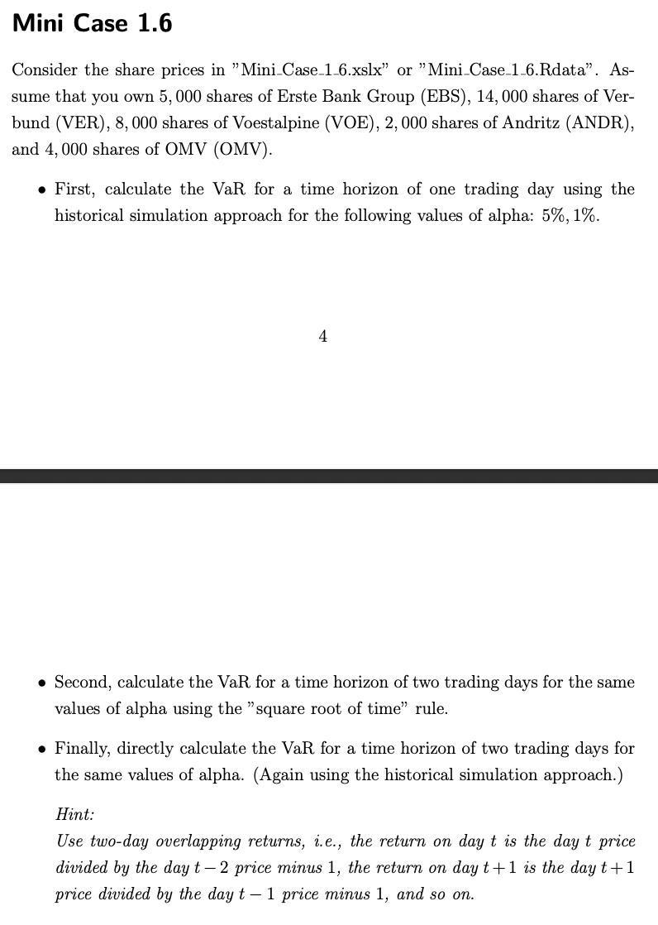
Mini-case 1.6
Date | EBS | VER | VOE | ANDR | OMV | Portfolio | Portfolio 1-day return | Portfolio 2-days return | Assumptions | Share | Quantity
01/02/2017 | 22.384481 | 13.956191 | 31.357632 | 38.790905 | 24.743963 | € 4,330,694.68 |  |  |  | EBS | 5000
01/03/2017 | 22.996229 | 14.062026 | 31.233622 | 39.294159 | 25.135115 | € 4,379,797.98 | 1.1338% |  |  | VER | 14000
01/04/2017 | 23.194847 | 13.928583 | 30.874001 | 40.095345 | 24.906946 | € 4,388,990.83 | 0.2099% | 1.3461% |  | VOE | 8000
01/05/2017 | 23.393471 | 13.974598 | 31.002138 | 39.849758 | 25.095278 | € 4,399,403.02 | 0.2372% | 0.4476% |  | ANDR | 2000
01/09/2017 | 23.266354 | 13.914778 | 30.415167 | 39.833649 | 24.66066 | € 4,358,990.06 | -0.9186% | -0.6835% |  | OMV | 4000
01/10/2017 | 22.968424 | 13.910176 | 30.423433 | 39.193508 | 24.46509 | € 4,321,700.82 | -0.8555% | -1.7662%
01/11/2017 | 22.885004 | 13.969995 | 30.849194 | 39.535725 | 24.671528 | € 4,353,077.72 | 0.7260% | -0.1356% | TASK 1
01/12/2017 | 22.801584 | 13.983801 | 31.155085 | 39.567936 | 24.722235 | € 4,363,611.15 | 0.2420% | 0.9698% | 1-day approach | 1 | 2
01/13/2017 | 23.008148 | 14.089634 | 31.241894 | 39.80949 | 24.863485 | € 4,389,417.48 | 0.5914% | 0.8348% | α | 5% | 1%
01/16/2017 | 22.801584 | 14.034416 | 31.266695 | 39.67664 | 24.537523 | € 4,366,456.31 | -0.5231% | 0.0652% | n | 1252 | 1252
01/17/2017 | 22.622822 | 14.103436 | 31.250156 | 39.22974 | 24.537523 | € 4,347,541.34 | -0.4332% | -0.9540% | VaR(α) | 0.02062 | 0.04131
01/18/2017 | 22.563238 | 14.213873 | 31.469238 | 39.278061 | 24.66066 | € 4,362,107.31 | 0.3350% | -0.0996%
01/19/2017 | 22.459957 | 14.232279 | 31.911535 | 39.942352 | 24.577362 | € 4,393,075.01 | 0.7099% | 1.0473% | TASK 2
01/20/2017 | 22.666523 | 14.213873 | 32.316635 | 40.268463 | 24.682396 | € 4,426,880.37 | 0.7695% | 1.4849% | √H | 1.41421 | 1.41421
01/23/2017 | 22.519541 | 14.135649 | 32.188492 | 39.946377 | 24.153616 | € 4,387,141.27 | -0.8977% | -0.1351% | VaR(α) | 0.02916 | 0.05842
01/24/2017 | 22.364618 | 14.227677 | 32.940811 | 40.099365 | 24.041338 | € 4,411,235.70 | 0.5492% | -0.3534%
01/25/2017 | 22.857197 | 14.338112 | 33.296303 | 40.501972 | 24.704124 | € 4,478,024.36 | 1.5141% | 2.0716%
01/26/2017 | 22.722134 | 14.319706 | 33.17643 | 40.461708 | 24.414385 | € 4,458,113.98 | -0.4446% | 1.0627%
01/27/2017 | 23.103483 | 14.17246 | 33.531918 | 40.079239 | 24.207941 | € 4,458,136.35 | 0.0005% | -0.4441% | TASK 3
01/30/2017 | 22.749939 | 14.108039 | 32.63905 | 39.990669 | 23.791439 | € 4,398,211.49 | -1.3442% | -1.3437% | 2-days approach | 1 | 2
01/31/2017 | 22.35667 | 13.712315 | 32.407574 | 40.232227 | 23.44375 | € 4,361,033.69 | -0.8453% | -2.1781% | α | 5% | 1%
02/01/2017 | 22.996229 | 13.781336 | 32.717594 | 40.300674 | 24.088425 | € 4,418,180.51 | 1.3104% | 0.4540% | n | 1251 | 1251
02/02/2017 | 23.039927 | 13.643291 | 33.424442 | 40.204044 | 24.222427 | € 4,439,626.32 | 0.4854% | 1.8022% | VaR(α) | 0.02749 | 0.06350
02/03/2017 | 22.908834 | 13.795139 | 33.155754 | 40.26041 | 24.236914 | € 4,433,782.68 | -0.1316% | 0.3531%
02/06/2017 | 22.642687 | 13.689306 | 33.234295 | 39.507538 | 24.26589 | € 4,400,210.63 | -0.7572% | -0.8878%
02/07/2017 | 22.801584 | 13.56967 | 33.192959 | 40.208076 | 23.885603 | € 4,410,710.44 | 0.2386% | -0.5204%
02/08/2017 | 22.956507 | 13.854959 | 32.486107 | 39.825596 | 23.700893 | € 4,383,194.05 | -0.6239% | -0.3867%
02/09/2017 | 23.198824 | 13.956191 | 32.242226 | 39.97456 | 24.14275 | € 4,405,980.18 | 0.5199% | -0.1072%
02/10/2017 | 23.123344 | 13.905577 | 33.110283 | 40.381191 | 24.407137 | € 4,452,608.56 | 1.0583% | 1.5837%
02/13/2017 | 23.731125 | 13.753728 | 33.841938 | 40.703274 | 24.280378 | € 4,498,244.62 | 1.0249% | 2.0941%
02/14/2017 | 23.913855 | 13.739923 | 33.626987 | 40.904575 | 24.182589 | € 4,500,141.66 | 0.0422% | 1.0675%
02/15/2017 | 23.794683 | 13.680104 | 33.755131 | 41.242767 | 24.294865 | € 4,513,329.15 | 0.2930% | 0.3353%
02/16/2017 | 23.651676 | 13.799743 | 33.701397 | 41.355492 | 24.968515 | € 4,536,735.16 | 0.5186% | 0.8132%
02/17/2017 | 23.369637 | 13.841156 | 33.808868 | 40.783798 | 25.500916 | € 4,531,044.38 | -0.1254% | 0.3925%
02/20/2017 | 23.437166 | 14.043618 | 33.85434 | 40.944832 | 25.540752 | € 4,548,083.36 | 0.3760% | 0.2501%
02/21/2017 | 23.325939 | 14.167859 | 33.895672 | 41.299129 | 25.794279 | € 4,569,934.97 | 0.4805% | 0.8583%
02/22/2017 | 22.865137 | 14.103436 | 33.813004 | 40.727432 | 25.805143 | € 4,531,367.02 | -0.8439% | -0.3675%
02/23/2017 | 22.888975 | 14.163257 | 33.837803 | 40.751587 | 26.533123 | € 4,559,766.59 | 0.6267% | -0.2225%
02/24/2017 | 22.165998 | 14.167859 | 32.866402 | 39.684689 | 26.14559 | € 4,456,007.75 | -2.2755% | -1.6631%
02/28/2017 | 21.816423 | 14.43014 | 32.841606 | 39.704819 | 26.120241 | € 4,452,136.56 | -0.0869% | -2.3604%
03/01/2017 | 22.543377 | 14.526771 | 33.267368 | 40.485867 | 26.482416 | € 4,531,091.37 | 1.7734% | 1.6850%
03/02/2017 | 22.718161 | 15.175575 | 33.201225 | 40.252361 | 26.598312 | € 4,552,205.92 | 0.4660% | 2.2477%
03/03/2017 | 22.908834 | 14.876482 | 32.854004 | 39.294159 | 26.417227 | € 4,499,573.30 | -1.1562% | -0.6956%
03/06/2017 | 22.944588 | 15.078944 | 32.55225 | 38.802986 | 26.341169 | € 4,478,757.92 | -0.4626% | -1.6135%
03/07/2017 | 22.972397 | 15.106555 | 32.486107 | 38.633884 | 26.743183 | € 4,486,090.16 | 0.1637% | -0.2997%
03/08/2017 | 23.405386 | 14.959307 | 32.283562 | 39.479355 | 26.779402 | € 4,517,931.40 | 0.7098% | 0.8747%
03/09/2017 | 23.691399 | 14.858076 | 32.010746 | 39.455204 | 26.381002 | € 4,501,082.09 | -0.3729% | 0.3342%
03/10/2017 | 24.422319 | 14.678618 | 31.704855 | 39.257927 | 26.623667 | € 4,510,683.74 | 0.2133% | -0.1604%
03/13/2017 | 24.358763 | 14.706226 | 32.134747 | 39.402859 | 26.927896 | € 4,538,506.20 | 0.6168% | 0.8314%
03/14/2017 | 24.00919 | 14.950105 | 31.990074 | 39.455204 | 26.272352 | € 4,510,338.52 | -0.6206% | -0.0077%
03/15/2017 | 23.878105 | 14.766047 | 32.138885 | 39.575989 | 26.268728 | € 4,508,715.88 | -0.0360% | -0.6564%
03/16/2017 | 24.326986 | 14.81206 | 32.411705 | 39.761185 | 26.898918 | € 4,560,958.18 | 1.1587% | 1.1223%
03/17/2017 | 23.854267 | 14.591191 | 33.097885 | 40.26041 | 26.438955 | € 4,562,009.36 | 0.0230% | 1.1820%
03/20/2017 | 23.770849 | 14.572785 | 32.949078 | 39.833649 | 26.308571 | € 4,535,352.76 | -0.5843% | -0.5614%
03/21/2017 | 23.647705 | 14.402532 | 32.072742 | 39.938328 | 26.301327 | € 4,499,966.92 | -0.7802% | -1.3600%
03/22/2017 | 23.635786 | 14.549779 | 31.52298 | 39.99469 | 26.442575 | € 4,492,811.73 | -0.1590% | -0.9380%
03/23/2017 | 24.036999 | 14.494561 | 31.498173 | 39.910145 | 26.377388 | € 4,498,469.78 | 0.1259% | -0.0333%
03/24/2017 | 24.37068 | 14.503764 | 31.32456 | 40.059109 | 26.0478 | € 4,498,095.13 | -0.0083% | 0.1176%
03/27/2017 | 24.168089 | 14.512967 | 30.572239 | 39.982609 | 25.826874 | € 4,457,071.67 | -0.9120% | -0.9203%
03/28/2017 | 24.060833 | 14.43014 | 30.53091 | 39.873913 | 25.808767 | € 4,445,250.58 | -0.2652% | -1.1748%
03/29/2017 | 24.31904 | 14.494561 | 30.902935 | 39.785343 | 26.428089 | € 4,485,688.94 | 0.9097% | 0.6421%
03/30/2017 | 24.38657 | 14.678618 | 31.506441 | 40.22546 | 27.177795 | € 4,553,171.17 | 1.5044% | 2.4278%
03/31/2017 | 24.251509 | 14.646408 | 30.506107 | 38.934158 | 26.717831 | € 4,456,848.43 | -2.1155% | -0.6429%
04/03/2017 | 24.128363 | 14.876482 | 30.882265 | 40.582542 | 26.851835 | € 4,531,609.07 | 1.6774% | -0.4736%
04/04/2017 | 24.104528 | 15.180178 | 30.8864 | 40.964539 | 27.065523 | € 4,560,638.54 | 0.6406% | 2.3288%
04/05/2017 | 23.909883 | 15.069741 | 31.16749 | 41.354832 | 27.978207 | € 4,602,845.05 | 0.9255% | 1.5720%
04/06/2017 | 24.434238 | 15.175575 | 31.233622 | 41.587353 | 28.061508 | € 4,636,245.77 | 0.7257% | 1.6578%
04/07/2017 | 24.660666 | 15.180178 | 31.175753 | 41.126469 | 28.467148 | € 4,640,137.06 | 0.0839% | 0.8102%
04/10/2017 | 24.660666 | 15.318221 | 31.386566 | 41.163834 | 28.525099 | € 4,654,794.74 | 0.3159% | 0.4001%
04/11/2017 | 24.12042 | 14.867277 | 30.960804 | 40.802601 | 28.684454 | € 4,601,373.35 | -1.1477% | -0.8354%
04/12/2017 | 23.941662 | 14.876649 | 30.4193 | 40.781837 | 28.724291 | € 4,578,543.39 | -0.4962% | -1.6381%
04/13/2017 | 23.798655 | 14.71734 | 30.237423 | 40.707104 | 28.88365 | € 4,565,357.68 | -0.2880% | -0.7827%
04/18/2017 | 23.377579 | 14.487747 | 29.687649 | 40.271137 | 28.423693 | € 4,496,177.57 | -1.5153% | -1.7990%
04/19/2017 | 23.703316 | 14.558031 | 30.233286 | 40.117512 | 27.873177 | € 4,504,015.63 | 0.1743% | -1.3436%
04/20/2017 | 24.18795 | 14.459636 | 30.253954 | 40.167332 | 27.956478 | € 4,521,836.55 | 0.3957% | 0.5707%
04/21/2017 | 24.410404 | 14.548659 | 30.258087 | 39.860077 | 27.992699 | € 4,523,307.56 | 0.0325% | 0.4283%
04/24/2017 | 25.633904 | 14.731397 | 30.960804 | 41.412956 | 28.228115 | € 4,651,916.81 | 2.8433% | 2.8767%
04/25/2017 | 25.582264 | 14.375295 | 31.349363 | 41.653782 | 28.4925 | € 4,667,955.73 | 0.3448% | 3.1978%
04/26/2017 | 25.911972 | 14.440892 | 31.20882 | 42.35133 | 28.659101 | € 4,704,879.80 | 0.7910% | 1.1385%
04/27/2017 | 26.054977 | 14.483062 | 31.283224 | 41.687004 | 28.358496 | € 4,681,603.18 | -0.4947% | 0.2924%
04/28/2017 | 26.074841 | 14.290955 | 31.708984 | 42.160336 | 30.622108 | € 4,780,288.39 | 2.1079% | 1.6028%
05/02/2017 | 25.54254 | 14.745453 | 31.341099 | 42.417767 | 31.107422 | € 4,790,091.27 | 0.2051% | 2.3173%
05/03/2017 | 25.42734 | 14.722025 | 31.291492 | 42.475899 | 30.459126 | € 4,764,404.11 | -0.5363% | -0.3323%
05/04/2017 | 25.610069 | 15.040643 | 31.473373 | 45.540138 | 30.676428 | € 4,895,241.48 | 2.7461% | 2.1952%
05/05/2017 | 25.860331 | 15.082813 | 32.258759 | 45.50692 | 30.629347 | € 4,928,159.61 | 0.6725% | 3.4371%
05/08/2017 | 25.888136 | 15.162469 | 31.626318 | 45.407276 | 30.614862 | € 4,907,069.01 | -0.4280% | 0.2416%
05/09/2017 | 25.824581 | 15.429545 | 31.762724 | 45.565048 | 31.067577 | € 4,938,432.67 | 0.6392% | 0.2085%
05/10/2017 | 25.927862 | 14.998472 | 31.824732 | 45.041889 | 30.785084 | € 4,903,075.29 | -0.7160% | -0.0814%
05/11/2017 | 25.97156 | 15.148413 | 32.052082 | 44.834278 | 30.643835 | € 4,905,455.54 | 0.0485% | -0.6678%
05/12/2017 | 26.209904 | 15.218694 | 31.580849 | 44.327728 | 30.71265 | € 4,885,644.23 | -0.4039% | -0.3555%
05/15/2017 | 26.781925 | 15.050014 | 32.163685 | 44.659893 | 32.958153 | € 5,003,251.11 | 2.4072% | 1.9936%
05/16/2017 | 26.750147 | 15.00316 | 31.948744 | 45.124931 | 33.874458 | € 5,039,147.52 | 0.7175% | 3.1419%
05/17/2017 | 27.012327 | 14.984416 | 32.246361 | 44.585155 | 33.360165 | € 5,022,217.99 | -0.3360% | 0.3791%
05/18/2017 | 26.472076 | 14.843851 | 32.171955 | 43.472397 | 33.965 | € 4,980,534.21 | -0.8300% | -1.1632%
05/19/2017 | 27.143415 | 15.134354 | 32.477837 | 43.937431 | 34.848713 | € 5,066,877.75 | 1.7336% | 0.8892%
05/22/2017 | 27.03616 | 15.181211 | 33.089622 | 44.228077 | 36.369858 | € 5,144,862.62 | 1.5391% | 3.2994%
05/23/2017 | 27.580488 | 15.485772 | 33.358299 | 44.31942 | 35.493389 | € 5,155,833.14 | 0.2132% | 1.7556%
...

M.C.4.2.2
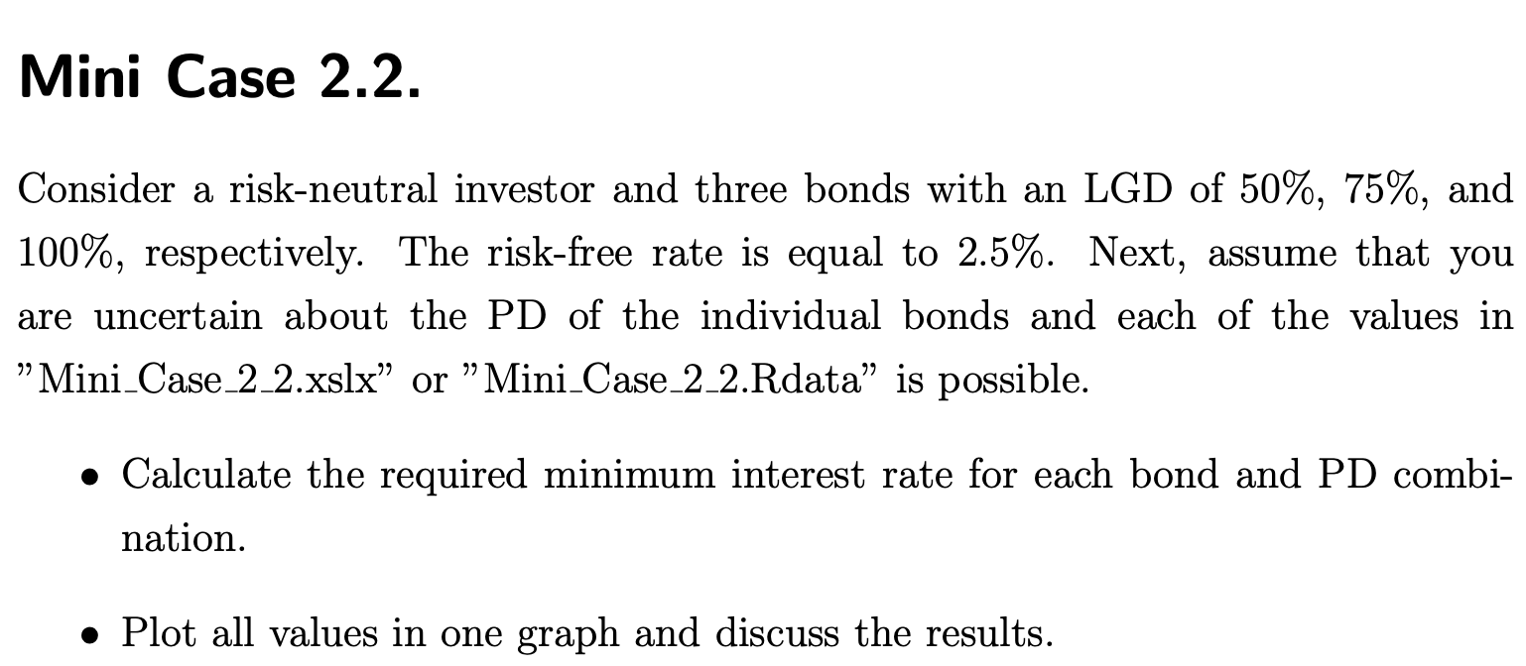
Mini-case 2.2
PDs | TASK 1 |  |  | Assumptions
 | Table of interest rate lower bounds |  |  | rf | LGD table
 | Bond 1 | Bond 2 | Bond 3 |  | Bond 1 | Bond 2 | Bond 3
0% | 2.50% | 2.50% | 2.50% | 2.5% | 50% | 75% | 100%
5% | 5.13% | 6.49% | 7.89%
10% | 7.89% | 10.81% | 13.89% | TASK 2
Interest rate lower bounds
15% | 10.81% | 15.49% | 20.59%
20% | 13.89% | 20.59% | 28.13%
25% | 17.14% | 26.15% | 36.67%
30% | 20.59% | 32.26% | 46.43%
35% | 24.24% | 38.98% | 57.69%
40% | 28.13% | 46.43% | 70.83%
45% | 32.26% | 54.72% | 86.36%
50% | 36.67% | 64.00% | 105.00%
55% | 41.38% | 74.47% | 127.78%
60% | 46.43% | 86.36% | 156.25%
65% | 51.85% | 100.00% | 192.86%
70% | 57.69% | 115.79% | 241.67%
75% | 64.00% | 134.29% | 310.00%
80% | 70.83% | 156.25% | 412.50%
85% | 78.26% | 182.76% | 583.33%
90% | 86.36% | 215.38% | 925.00%
95% | 95.24% | 256.52% | 1950.00%
100% | 105.00% | 310.00% | ∞

M.C.4.2.6
...
-0.139% | 5.655% | -7.484% | -4.1577336079 | -4.3656202883 | TASK 4 | σ²M |  | 0.0324
11.765% | 10.230% | 20.212% | 11.228771491 | 11.790210065
40.178% | 19.671% | 8.239% | 4.5769452326 | 4.8057924942 |  | by RORACSYS | Project 1 | Project 2
15.841% | 8.130% | 3.402% | 1.8898465246 | 1.9843388509 |  | Cov(Proj.,M) | 0.012 | 0.0126
1.830% | 16.806% | 9.676% | 5.3757983399 | 5.6445882569 |  | ß | 0.3704 | 0.3889
4.822% | 12.722% | 6.383% | 3.545854209 | 3.7231469194 |  | α | 1% | 1%
11.202% | 23.699% | 30.668% | 17.038015484 | 17.889916258 |  | E[RM] | 5 | 5.25
24.108% | 6.837% | 16.052% | 8.9177211316 | 9.3636071882 |  | VaR(α) | 18.1876 | 19.0970
15.444% | 23.454% | 46.078% | 25.598792631 | 26.878732263 |  | RORACSYS | 27.49127% | 27.49127%
4.783% | 3.823% | -10.882% | -6.0455983236 | -6.3478782398
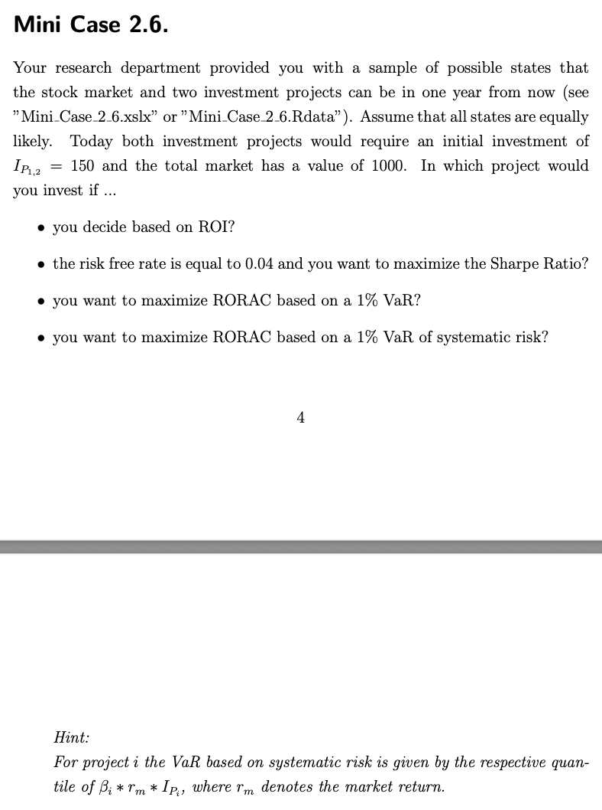
22.524% | 8.400% | 20.644% | 11.468797705 | 12.042237591
22.668% | 17.419% | 28.893% | 16.051855851 | 16.854448644
6.466% | -1.099% | -18.123% | -10.068310265 | -10.571725778
8.017% | 10.586% | 3.160% | 1.7555387105 | 1.843315646
-3.965% | -5.499% | -7.547% | -4.192904281 | -4.4025494951
-3.806% | 2.319% | -7.865% | -4.3694200576 | -4.5878910605
-10.258% | 12.579% | 12.329% | 6.8491920586 | 7.1916516615
-0.311% | -17.581% | -24.293% | -13.49599421 | -14.170793921
3.372% | 5.474% | 6.564% | 3.6468621299 | 3.8292052364
20.597% | 20.236% | 35.467% | 19.703778204 | 20.688967114
20.707% | -6.738% | -13.930% | -7.7386398278 | -8.1255718192
-12.593% | 2.142% | 23.305% | 12.947037749 | 13.594389637
30.776% | 18.866% | 27.506% | 15.281329823 | 16.045396315
1.071% | 14.400% | 17.166% | 9.5364186951 | 10.01323963
15.697% | 12.252% | 14.525% | 8.0692096043 | 8.4726700845
0.874% | 11.594% | 6.274% | 3.4856916485 | 3.659976231
-7.393% | 6.374% | 8.071% | 4.4838173861 | 4.7080082554
16.573% | 13.216% | -23.079% | -12.821857957 | -13.462950855
24.596% | 15.987% | 37.831% | 21.016965318 | 22.067813583
-16.032% | -7.657% | 5.102% | 2.8346007718 | 2.9763308104
-4.623% | 20.241% | 21.608% | 12.004173517 | 12.604382193
20.344% | 9.762% | -1.646% | -0.91427710091 | -0.95999095595
35.475% | 16.457% | 46.244% | 25.691127406 | 26.975683777
20.165% | 0.540% | -0.476% | -0.26440679605 | -0.27762713585
12.299% | 23.346% | 19.682% | 10.934549293 | 11.481276757
0.985% | 14.353% | 13.134% | 7.2966451808 | 7.6614774398
38.868% | 30.120% | 36.419% | 20.232963951 | 21.244612149
19.649% | 10.819% | 36.450% | 20.249938361 | 21.262435279
1.866% | 9.416% | 19.074% | 10.596422869 | 11.126244012
-0.403% | -10.584% | -8.036% | -4.4643709413 | -4.6875894884
4.732% | 4.757% | 35.106% | 19.503091009 | 20.47824556
5.568% | 13.271% | 30.321% | 16.845069828 | 17.68732332
20.360% | 10.517% | 22.132% | 12.295284348 | 12.910048565
5.745% | 0.597% | 11.696% | 6.4976114974 | 6.8224920723
...

M.C.4.5.1
...
€ 0.2100 | -8.65% | 5.54% | -11.55% | € 2,291.25
€ 0.1932 | -16.52% | -18.39% | -7.98% | € 1,720.68 | TASK 3
€ 0.2059 | -4.02% | -17.19% | 6.57% | € 1,518.49 | ∑ | A | P | X
€ 0.2533 | 9.10% | 8.53% | 23.00% | € 2,027.15 | A | 0.019745414607 | 0.034132740794 | 0
€ 0.2167 | 8.40% | 62.27% | -14.44% | € 2,814.42 | P | 0.034132740794 | 0.091785942305 | 0
€ 0.2175 | 3.70% | -31.85% | 0.37% | € 1,925.25 | X | 0 | 0 | 0
€ 0.1700 | -13.70% | 20.39% | -21.87% | € 1,810.96
€ 0.1988 | -6.96% | -17.90% | 16.95% | € 1,738.80 | σP | N⁻¹(⍺) | VaRFIRM | VaRFX
€ 0.2205 | 1.88% | -18.17% | 10.91% | € 1,578.16 | 1597.184 | -2.326347874 | € 3,715.61 | € 10.37
€ 0.2131 | 30.38% | 83.90% | -3.33% | € 2,805.49
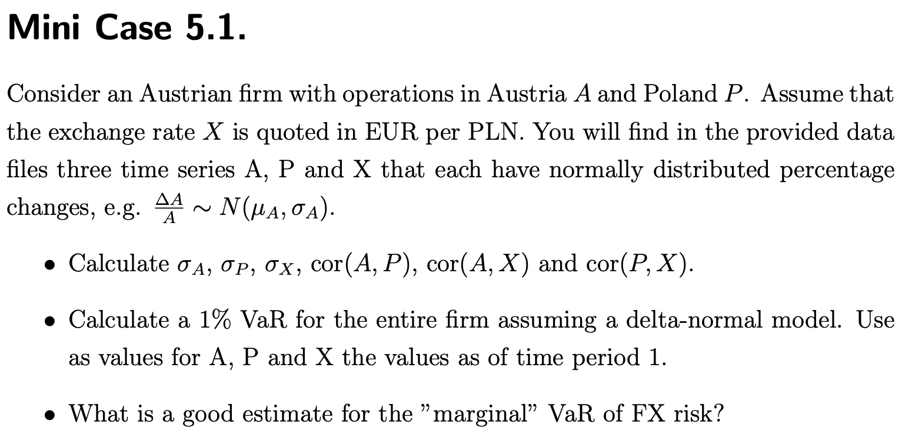
€ 0.1938 | -8.44% | -16.87% | -9.08% | € 2,120.44
€ 0.2275 | -6.52% | -27.24% | 17.39% | € 1,811.14
€ 0.2264 | 10.25% | 40.89% | -0.46% | € 2,539.89
€ 0.2048 | -15.08% | -19.76% | -9.54% | € 1,843.60
€ 0.1912 | 9.28% | 5.88% | -6.65% | € 1,822.20
€ 0.2066 | -5.30% | -7.12% | 8.05% | € 1,828.72
€ 0.2156 | 12.41% | 26.16% | 4.37% | € 2,407.98
€ 0.1971 | -10.02% | -13.46% | -8.62% | € 1,904.40
€ 0.2342 | 6.30% | -3.37% | 18.88% | € 2,187.63
€ 0.2023 | 5.71% | 26.86% | -13.65% | € 2,396.38
€ 0.2196 | -17.54% | -32.01% | 8.58% | € 1,769.25
€ 0.1877 | 18.64% | 42.30% | -14.52% | € 2,152.08
€ 0.2311 | -3.40% | -27.28% | 23.08% | € 1,926.35
€ 0.1993 | -13.79% | -7.27% | -13.77% | € 1,540.33
€ 0.2159 | -3.24% | -3.55% | 8.35% | € 1,609.69
€ 0.1940 | 8.02% | 29.22% | -10.15% | € 1,868.99
€ 0.2157 | 4.41% | -6.08% | 11.19% | € 1,951.79
€ 0.2363 | -4.75% | -24.63% | 9.54% | € 1,611.44
€ 0.2020 | 12.64% | 64.12% | -14.53% | € 2,260.33
€ 0.2338 | -4.96% | -12.22% | 15.76% | € 2,296.80
...

